Party_Policy_Business_AOI
Name | XML Group | Description | Target | ConfigName | Source View | Staging Table | Legacy table | Key Fields | Business Rules | Sample Request XML | Sample Response XML
Account Details-->Session_Data_Account | 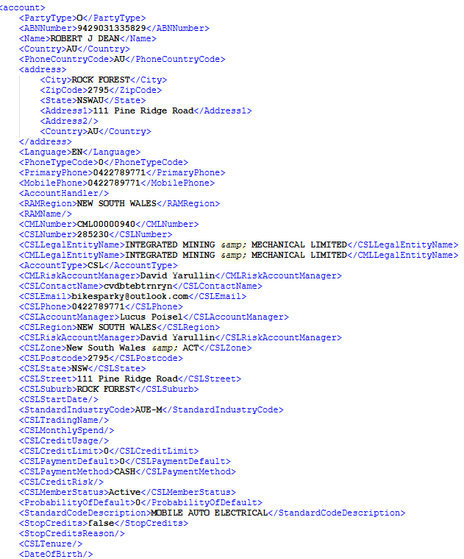 | All the CML Details will be added here | No target table , It is directly taken from the Final table | No target table , It is directly taken from the Final table | No target table , It is directly taken from the Final table | DIM_PARTY_SNAPSHOT_ACTIVE_INACTIVE_MEMBERS_SCD2 | Party Tables | CML and CSL Details | --- | <account> <PartyType>O</PartyType> <ABNNumber>55988366268</ABNNumber> <Name>HALL Ashley William</Name> <Country>AU</Country> <PhoneCountryCode>AU</PhoneCountryCode> <address> <City>LOGAN VILLAGE</City> <ZipCode>4207</ZipCode> <State>QLDAU</State> <Address1>31-33 Gayle court</Address1> <Address2/> <Country>AU</Country> </address> <Language>EN</Language> <PhoneTypeCode>C</PhoneTypeCode> <PrimaryPhone>0449998768</PrimaryPhone> <MobilePhone>0449998768</MobilePhone> <AccountHandler/> <RAMRegion>West Logan</RAMRegion> <RAMName/> <CMLNumber>CML00022501</CMLNumber> <CSLNumber>048164</CSLNumber> <CSLLegalEntityName>HALL Ashley William</CSLLegalEntityName> <CMLLegalEntityName>HALL Ashley William</CMLLegalEntityName> <AccountType>CSL</AccountType> <CMLRiskAccountManager>Mark Mommsen</CMLRiskAccountManager> <CSLContactName>Ashley</CSLContactName> <CSLEmail>admin@rstechaustralia.com.au</CSLEmail> <CSLPhone>0449998768</CSLPhone> <CSLAccountManager>Sales Delivery QLD</CSLAccountManager> <CSLRegion>West Logan</CSLRegion> <CSLRiskAccountManager>Sales Delivery QLD</CSLRiskAccountManager> <CSLZone>QLD</CSLZone> <CSLPostcode>4207</CSLPostcode> <CSLState>QLD</CSLState> <CSLStreet>31-33 Gayle court</CSLStreet> <CSLSuburb>LOGAN VILLAGE</CSLSuburb> <CSLStartDate/> <StandardIndustryCode>MEC-O</StandardIndustryCode> <CSLTradingName/> <CSLMonthlySpend/> <CSLCreditUsage/> <CSLCreditLimit>15000.000000000</CSLCreditLimit> <CSLPaymentDefault>0</CSLPaymentDefault> <CSLPaymentMethod>CASH</CSLPaymentMethod> <CSLCreditRisk/> <CSLMemberStatus>Active</CSLMemberStatus> <ProbabilityOfDefault>LowRisk</ProbabilityOfDefault> <StandardCodeDescription>MECHANICAL SHOP | <Insured id="a5427A03258C64A64ACBCAEF85C7DCC5B"> <EntityType>O</EntityType> <Name>HALL Ashley William</Name> <PrimaryPhone>0449998768</PrimaryPhone> <Email>admin@rstechaustralia.com.au</Email> <Fax/> <ABNNumber>55988366268</ABNNumber> <Address> <Address1>31-33 Gayle court</Address1> <Address2/> <City>LOGAN VILLAGE</City> <State>QLDAU</State> <ZipCode>4207</ZipCode> <Country>AU</Country> </Address> <InternalPartyId>08DEB5B8DAD190C3</InternalPartyId> </Insured> <Contact> <FirstName/> <MiddleName/> <LastName>Ashley</LastName> <Email>admin@rstechaustralia.com.au</Email> <PhoneNumber>0449998768</PhoneNumber> </Contact>

Location--> Session_Data_Account_location | 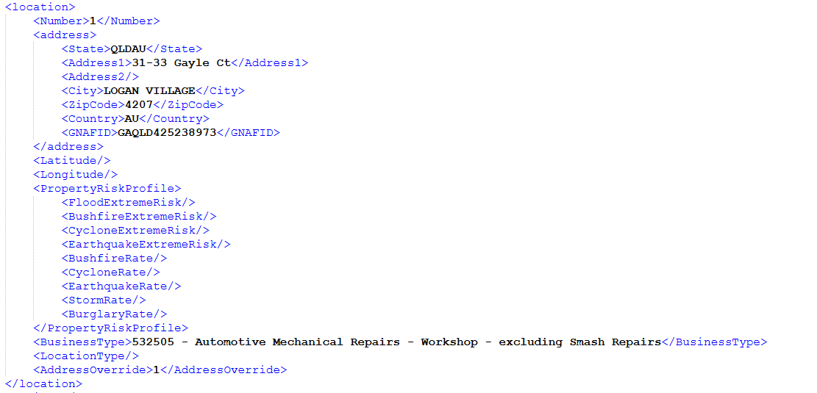 | Address of a policy are added here | AGGNE.PRD.PA_ACCOUNT_LOC_TARGET | BP_ACC_LOC | AGGNE.PRD.ACCOUNT_LOC_POLICYATTACH | AGGNE.PRD.LOCATION_01_POLICYATTACH | AGGNE.PRD.policyattach_bp,PRD_T5_EXTERNAL_AGGNE.risk.qu_heavydutydiesel,PRD_T5_EXTERNAL_AGGNE.risk.qu_tyredealer,PRD_T5_EXTERNAL_AGGNE.risk.qu_smashrepairer,PRD_T5_EXTERNAL_AGGNE.risk.qu_dismantler | Address,Business Type |  | <location> <Number>1</Number> <address> <State>QLDAU</State> <Address1>31-33 Gayle Ct</Address1> <Address2/> <City>LOGAN VILLAGE</City> <ZipCode>4207</ZipCode> <Country>AU</Country> <GNAFID>GAQLD425238973</GNAFID> </address> <Latitude/> <Longitude/> <PropertyRiskProfile> <FloodExtremeRisk/> <BushfireExtremeRisk/> <CycloneExtremeRisk/> <EarthquakeExtremeRisk/> <BushfireRate/> <CycloneRate/> <EarthquakeRate/> <StormRate/> <BurglaryRate/> </PropertyRiskProfile> <BusinessType>532505 - Automotive Mechanical Repairs - Workshop - excluding Smash Repairs</BusinessType> <LocationType/> <AddressOverride>1</AddressOverride> </location> | <Location id="l7150A4759CA1475993216522C26242B8"> <Description/> <Address> <Address1>31-33 Gayle Ct</Address1> <Address2/> <City>LOGAN VILLAGE</City> <State>QLDAU</State> <ZipCode>4207</ZipCode> <Country>AU</Country> </Address> </Location>

Duty Of Disclosure --> Session_Data_Account_DutyOfDisclosure |  | Details regarding DOD | No target table , It is directly taken from the Final table | No target table , It is directly taken from the Final table | No target table , It is directly taken from the Final table | Duty_Disclosure_Policyattach | AGGNE.PRD.CBP_Duty_Disclosure_Policyattach,PRD_T5_EXTERNAL_AGGNE.PURE_SNAPSHOT.cbp_question3,AGGNE.PRD.Sample_Policyattach_1 | Criminal conviction,Refused Insurance | Need to send the radio columns as Yes/No Not 0 or 1 | <dutyofdisclosure> <CriminalConviction>No</CriminalConviction> <RefusedInsurance>No</RefusedInsurance> <CriminalConvictionDetails/> <RefusedInsuranceDetails>No</RefusedInsuranceDetails> </dutyofdisclosure> | Not in Attach Response

PriorInsuranceInfo --> Session_Data_Account_PriorInsuranceInfo |  | Prior Insurance info | AGGNE.PRD.PA_COMPETITOR_INFORMATION_TARGET | BP_Prior_INFO | AGGNE.PRD.VW_CBP_COMPETITOR_INFORMATION_POLICYATTACH | Competitor_Information_policyattach | AGGNE.PRD.CBP_Competitor_Information_policyattach,PRD_T5_EXTERNAL_AGGNE.PURE_SNAPSHOT.cbp_summary,PRD_T5_EXTERNAL_AGGNE.PURE_SNAPSHOT.udl_suumr002,AGGNE.PRD.Sample_Policyattach_1 | Carrier,Price |  | <priorinsuranceinfo> <PriorCarrier>CGU</PriorCarrier> <Price>3443</Price> </priorinsuranceinfo> | Not in Attach Response

LossHistory --> Session_Data_Account_LossHistory |  | Claims Loss history | AGGNE.PRD.PA_CLAIM_HISTORY_TARGET | BP_account_info_claim_history | AGGNE.PRD.VW_CLAIM_HISTORY_POLICYATTACH | AGGNE.PRD.CLAIMHISTORY_policyattach | PRD_T5_EXTERNAL_AGGNE.PURE_SNAPSHOT.per_clmhistory,PRD_T5_EXTERNAL_AGGNE.PURE_SNAPSHOT.per_homecontents,AGGNE.PRD.Sample_Policyattach_1, claimshistory_a , claimshistory_b,claimshistory_c | Dateof claim,Amount,Line,Cause |  | <losshistory> <DateOfClaim>2025-09-25</DateOfClaim> <AmmountPaid>53565</AmmountPaid> <Line>Liability</Line> <Cause>CustomerInjury</Cause> </losshistory> | Not in Attach Response

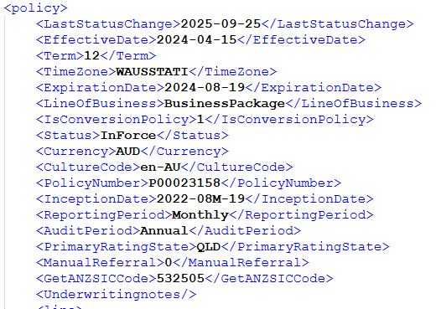 Policy Protection Details-->Session_Data_Account_Policy |  | Policy Protection Details Related to the policy about eff,exp dates, Businness anzsic codes and stuff | No target table , It is directly taken from the Final table | No target table , It is directly taken from the Final table | No target table , It is directly taken from the Final table | AGGNE.PRD.Sample_Policyattach_Final | Policyattach_BP,Policyattach_1 And multiple table above it. |  |  | <policy> <LastStatusChange>2025-09-25</LastStatusChange> <EffectiveDate>2024-04-15</EffectiveDate> <Term>12</Term> <TimeZone>WAUSSTATI</TimeZone> <ExpirationDate>2024-08-19</ExpirationDate> <LineOfBusiness>BusinessPackage</LineOfBusiness> <IsConversionPolicy>1</IsConversionPolicy> <Status>InForce</Status> <Currency>AUD</Currency> <CultureCode>en-AU</CultureCode> <PolicyNumber>P00023158</PolicyNumber> <InceptionDate>2022-08M-19</InceptionDate> <ReportingPeriod>Monthly</ReportingPeriod> <AuditPeriod>Annual</AuditPeriod> <PrimaryRatingState>QLD</PrimaryRatingState> <ManualReferral>0</ManualReferral> <GetANZSICCode>532505</GetANZSICCode><LegacyPolicyNumber>P00023158</LegacyPolicyNumber> <SelectANZSICLookup>532505 - Automotive Mechanical Repairs - Workshop - excluding Smash Repairs</SelectANZSICLookup> | <Policy id="p3477B0AF6A4A4A07B2566B5DC139A179"> <EffectiveDate>2024-04-15</EffectiveDate> <ExpirationDate>2024-08-19</ExpirationDate> <PolicyStatus>InForce</PolicyStatus> <PolicyTerm>12</PolicyTerm> <CSLNumber>048164</CSLNumber> <CMLNumber>CML00022501</CMLNumber> <RAMName>Mark Mommsen</RAMName> <LineOfBusiness>CarrierBusinessPackage</LineOfBusiness> <PackagePolicy>0</PackagePolicy> <PolicyNumber>P00023158</PolicyNumber> <PolicyCurrencyCode>AUD</PolicyCurrencyCode> <PrimaryRatingState>QLD</PrimaryRatingState> <SICCode/> <PolicyType>C</PolicyType> <ANZSICCode>532505</ANZSICCode>

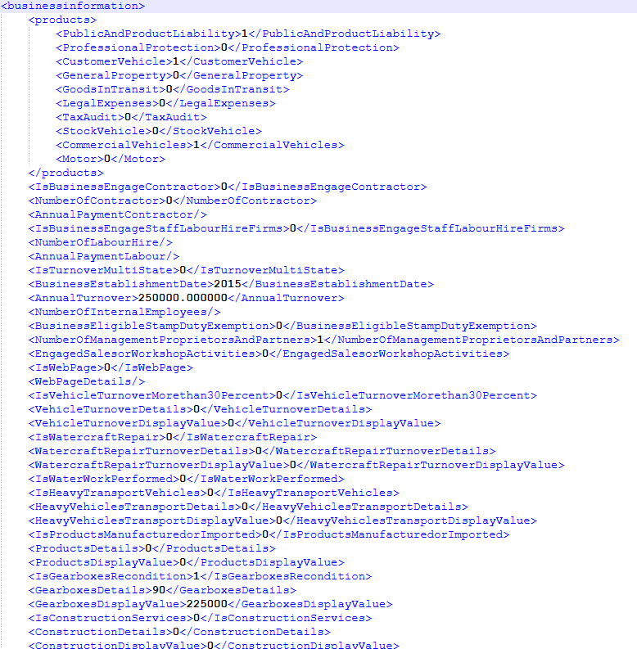 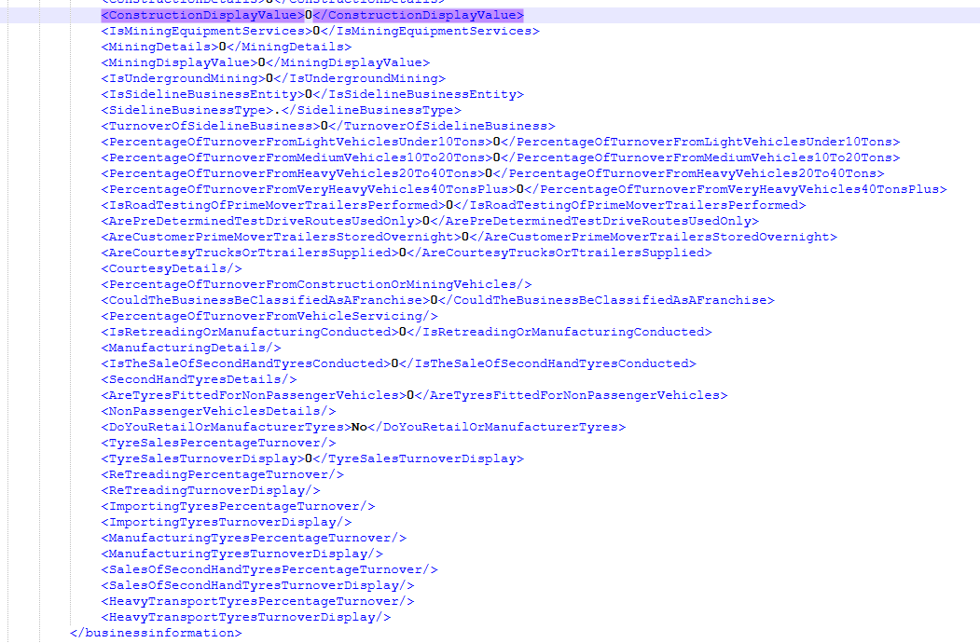 Business Details-->Session_Data_Account_BusinessDetails |  | All the business details including the indictaors,Other business protection details from the business screen | No target table , It is directly taken from the Final table | No target table , It is directly taken from the Final table | No target table , It is directly taken from the Final table | BUSINESSDETAILS_FINAL_POLICYATTACH |  |  |  | <businessinformation> <products> <PublicAndProductLiability>1</PublicAndProductLiability> <ProfessionalProtection>0</ProfessionalProtection> <CustomerVehicle>1</CustomerVehicle> <GeneralProperty>0</GeneralProperty> <GoodsInTransit>0</GoodsInTransit> <LegalExpenses>0</LegalExpenses> <TaxAudit>0</TaxAudit> <StockVehicle>0</StockVehicle> <CommercialVehicles>1</CommercialVehicles> <Motor>0</Motor> </products> <IsBusinessEngageContractor>0</IsBusinessEngageContractor> <NumberOfContractor>0</NumberOfContractor> <AnnualPaymentContractor/> <IsBusinessEngageStaffLabourHireFirms>0</IsBusinessEngageStaffLabourHireFirms> <NumberOfLabourHire/> <AnnualPaymentLabour/> <IsTurnoverMultiState>0</IsTurnoverMultiState> <BusinessEstablishmentDate>2015</BusinessEstablishmentDate> <AnnualTurnover>250000.000000</AnnualTurnover> <NumberOfInternalEmployees/> <BusinessEligibleStampDutyExemption>0</BusinessEligibleStampDutyExemption> <NumberOfManagementProprietorsAndPartners>1</NumberOfManagementProprietorsAndPartners> <EngagedSalesorWorkshopActivities>0</EngagedSalesorWorkshopActivities> <IsWebPage>0</IsWebPage> <WebPageDetails/> <IsVehicleTurnoverMorethan30Percent>0</IsVehicleTurnoverMorethan30Percent> <VehicleTurnoverDetails>0</VehicleTurnoverDetails> <VehicleTurnoverDisplayValue>0</VehicleTurnoverDisplayValue> <IsWatercraftRepair>0</IsWatercraftRepair> <WatercraftRepairTurnoverDetails>0</WatercraftRepairTurnoverDetails> <WatercraftRepairTurnoverDisplayValue>0</WatercraftRepairTurnoverDisplayValue> <IsWaterWorkPerformed>0</IsWaterWorkPerformed> <IsHeavyTransportVehicles>0</IsHeavyTransportVehicles> <HeavyVehiclesTransportDetails>0</HeavyVehiclesTransportDetails> <HeavyVehiclesTransportDispl | Not in Attach Response

Business Details-->Session_Data_Account_Additional Other Interest |  | Details regarding Additional Other Interest | AGGNE.PRD.PA_AOI_Target | BP_Policy_AOI | AGGNE.PRD.PA_AOI_FINAL | Additional_Interest_Policyattach | AGGNE.PRD.policyattach_bp PRD_T5_EXTERNAL_AGGNE.PURE_SNAPSHOT.CBP_RISKSELECTION PRD_T5_EXTERNAL_AGGNE.PURE_SNAPSHOT.CBP_INTERESTEDPARTIES AGGNE.PRD.AI_01_POLICYATTACH AGGNE.PRD.AI_LOC_POLICYATTACH AGGNE.PRD.location_transposed_policyattach AGGNE.PRD.AI_02_POLICYATTACH AGGNE.PRD.AI_LINE_POLICYATTACH AGGNE.PRD.LINE_TRANSPOSED_POLCIYATTACH AGGNE.PRD.AI_03_POLICYATTACH AGGNE.PRD.NO_LOC_LINE_POLICYATTACH AGGNE.PRD.AI_MERGED_POLICYATTACH | TypeDetails,LocationNumber,AddLocationProperty,LocationProtectionSection,AddLineProtection |  | <additionalinterestsme> <Type>M</Type> <TypeDetails>Ngamara Trust</TypeDetails> <LocationNumber>3</LocationNumber> <AddLocationProperty>3</AddLocationProperty> <LocationProtectionSection>Building</LocationProtectionSection> <AddLineProtection>0</AddLineProtection> <LineProtectionSection/> </additionalinterestsme> | <AdditionalInterest id="aB3AA00FCBD9340ED9FD14343212E1A1A"> <EntityType>AI</EntityType> <Type>M</Type> <TypeDetails>Ngamara Trust</TypeDetails> <LocationProtectionSection>Building</LocationProtectionSection> <LineProtectionSection/> <Location id="l1516AE46FEB544E3AE3C2A061B6B8BA0"> <Description/> <Address> <Address1>355 Heads Road</Address1> <Address2/> <City>Castlecliff</City> <State>NZ</State> <ZipCode>4501</ZipCode> <Country>NZ</Country> </Address> </Location> </AdditionalInterest>

Line_TA
Name | XML Group | Description | Target | ConfigName | Source View | Staging Table | Legacy table | Key Fields | Business Rules | Sample Request XML | Sample Response XML

TaxAudit-->Session_Data_Policy_Line_TAXAudit_Clauses |  | Clause For Tax Audit | AGGNE.PRD.PA_LINE_TA_Target | BP_LINE_TA_CLAUSE | AGGNE.PRD.PA_LINE_TA_CLAUSE | Line_TA_Coverage_Policyattach | AGGNE.PRD.policyattach_bp,PRD_T5_EXTERNAL_AGGNE.PURE_SNAPSHOT.cbp_taxaudit | Type,Description |  | <Clauses> <Type>TaxAudit</Type> <Clause> <Type>TA General Exclusion</Type> <Indicator>1</Indicator> <Description>Tax Audit protection excludes any claims arising from "xxxxx"</Description> <DisableFlag>1</DisableFlag> </Clause> </Clauses> | Not in Attach Response

TaxAudit-->Session_Data_Policy_Line_TAXAudit_Underwriting Description |  | Underwriting Description For Tax Audit | AGGNE.PRD.PA_LINE_TA_Target | BP_LINE_TA_UW | AGGNE.PRD.PA_LINE_TA_UW | Output_UWAdjust_BSP_PolicyAttach | Adjustments_BSP_Out_PolicyAttach,ExpPremium_BSP_PolicyAttach,Adjustments_BSP_PolicyAttach,PRD_T5_EXTERNAL_AGGNE.PURE_SNAPSHOT.CBP_ADJUSTMENTSTA | Amount,Description |  | <UnderwritingAdjustment> <Type>TaxAudit</Type> <AdjustmentSelection>0</AdjustmentSelection> <AdjustmentDollarAndPercent>34</AdjustmentDollarAndPercent> <AdjustmentAmount>0</AdjustmentAmount> <RecurringIndicator>1</RecurringIndicator> <UnderwritingDescription>Dwscription</UnderwritingDescription> </UnderwritingAdjustment> | Not in Attach Response

TaxAudit-->Session_Data_Policy_Line_TAXAudit | 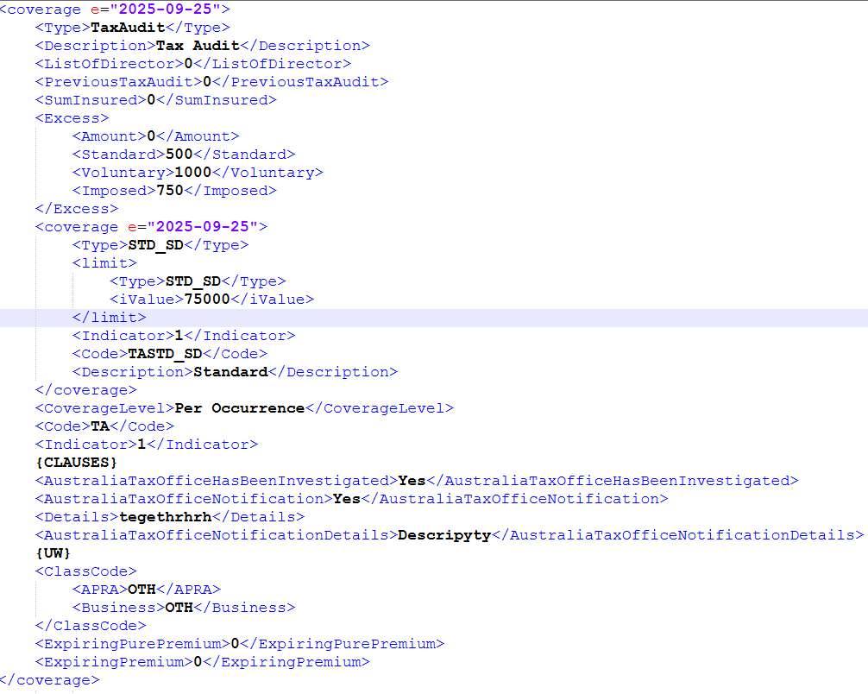 | Subcoverage , Other Details for Tx Audit- Sub Coverage include: Standard- TASTD_SD | AGGNE.PRD.PA_LINE_TA_Target | BP_LINE_TA | AGGNE.PRD.PA_LINE_TA_PAYLOAD | Line_TA_Coverage_Policyattach | AGGNE.PRD.policyattach_bp,PRD_T5_EXTERNAL_AGGNE.PURE_SNAPSHOT.cbp_taxaudit | Mentioned in ss |  | <coverage e="2025-09-25"> <Type>TaxAudit</Type> <Description>Tax Audit</Description> <ListOfDirector>0</ListOfDirector> <PreviousTaxAudit>0</PreviousTaxAudit> <SumInsured>0</SumInsured> <Excess> <Amount>0</Amount> <Standard>500</Standard> <Voluntary>1000</Voluntary> <Imposed>750</Imposed> </Excess> <coverage e="2025-09-25"> <Type>STD_SD</Type> <limit> <Type>STD_SD</Type> <iValue>75000</iValue> </limit> <Indicator>1</Indicator> <Code>TASTD_SD</Code> <Description>Standard</Description> </coverage> <CoverageLevel>Per Occurrence</CoverageLevel> <Code>TA</Code> <Indicator>1</Indicator> {CLAUSES} <AustraliaTaxOfficeHasBeenInvestigated>Yes</AustraliaTaxOfficeHasBeenInvestigated> <AustraliaTaxOfficeNotification>Yes</AustraliaTaxOfficeNotification> <Details>tegethrhrh</Details> <AustraliaTaxOfficeNotificationDetails>Descripyty</AustraliaTaxOfficeNotificationDetails> {UW} <ClassCode> <APRA>OTH</APRA> <Business>OTH</Business> </ClassCode> <ExpiringPurePremium>0</ExpiringPurePremium> <ExpiringPremium>0</ExpiringPremium> </coverage> | <Coverage id="cCE56F2699C0748C49647BF24F168BB52"> <Type>TASTD</Type> <Deductible type="Total" value=""/> <Limit type="Per Occurrence" value="10000000"/> <Premium>0.000</Premium> </Coverage>

Line_GP
Name | XML Group | Description | Target | ConfigName | Source View | Staging Table | Legacy table | Key Fields | Business Rules | Sample Request XML | Sample Response XML

GeneralProperty-->Session_Data_Policy_Line_GeneralProperty_Clauses |  | Clause For GeneralProperty | AGGNE.PRD.PA_LINE_GP_Target | BP_Line_GP_3_CLAUSE | AGGNE.PRD.PA_LINE_GP_CLAUSE | Line_GP_Coverage_Policyattach | AGGNE.PRD.policyattach_bp,PRD_T5_EXTERNAL_AGGNE.PURE_SNAPSHOT.cbp_generalproperty | Type,Description |  | <Clause> <Type>GP General Exclusion</Type> <Indicator>1</Indicator> <Description>General Property protection excludes loss or damage caused by "xxxxx"</Description> <DisableFlag>1</DisableFlag> </Clause> | Not in Attach Response

GeneralProperty-->Session_Data_Policy_Line_GeneralProperty_Underwriting Description |  | Underwriting Description For GeneralProperty | AGGNE.PRD.PA_LINE_GP_Target | BP_Line_GP_2_UW | AGGNE.PRD.PA_LINE_GP_UW | Output_UWAdjust_BSP_PolicyAttach | Adjustments_BSP_Out_PolicyAttach,ExpPremium_BSP_PolicyAttach,Adjustments_BSP_PolicyAttach,PRD_T5_EXTERNAL_AGGNE.PURE_SNAPSHOT.CBP_ADJUSTMENTSTA | Amount,Description |  | <UnderwritingAdjustment> <Type>GeneralProperty</Type> <AdjustmentSelection>0</AdjustmentSelection> <AdjustmentDollarAndPercent>34</AdjustmentDollarAndPercent> <AdjustmentAmount>0</AdjustmentAmount> <RecurringIndicator>1</RecurringIndicator> <UnderwritingDescription>Dwscription</UnderwritingDescription> </UnderwritingAdjustment> | Not in Attach Response

GeneralProperty-->Session_Data_Policy_Line_GeneralProperty_Specified tools |  | Specified tools | AGGNE.PRD.PA_LINE_GP_Target | BP_Line_GP_1_SpecifiedTools | AGGNE.PRD.PA_LINE_GP_SPECIFIEDTOOLS | Line_GP_Coverage_Policyattach | AGGNE.PRD.policyattach_bp,PRD_T5_EXTERNAL_AGGNE.PURE_SNAPSHOT.cbp_generalproperty | Value,Description |  | <SpecifiedTools> <Value>354</Value> <Description>Description</Description> </SpecifiedTools> <CurrentActiveSpecifiedTools/> <SpecifiedTools> <Value>56</Value> <Description>Descrition</Description> </SpecifiedTools> | Not in Attach Response

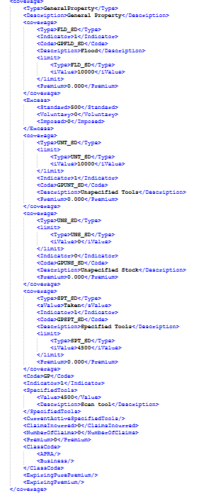
GeneralProperty-->Session_Data_Policy_Line_GeneralProperty |  | Coverages,excess Information n the GP Coverage block Sub Coverage include: Flood- GPFLD_SD,Unspecified Tools - GPUNT_SD, Specified Tools- GPUNS_SD, | AGGNE.PRD.PA_LINE_GP_Target | BP_LINE_GP | AGGNE.PRD.PA_LINE_GP_PAYLOAD | Line_GP_Coverage_Policyattach | AGGNE.PRD.policyattach_bp,PRD_T5_EXTERNAL_AGGNE.PURE_SNAPSHOT.cbp_generalproperty | Excess, subcoverages, |  | <coverage> <Type>GeneralProperty</Type> <Description>General Property</Description> <coverage> <Type>FLD_SD</Type> <Indicator>1</Indicator> <Code>GPFLD_SD</Code> <Description>Flood</Description> <limit> <Type>FLD_SD</Type> <iValue>10000</iValue> </limit> <Premium>0.000</Premium> </coverage> <Excess> <Standard>500</Standard> <Voluntary>0</Voluntary> <Imposed>0</Imposed> </Excess> <coverage> <Type>UNT_SD</Type> <limit> <Type>UNT_SD</Type> <iValue>10000</iValue> </limit> <Indicator>1</Indicator> <Code>GPUNT_SD</Code> <Description>Unspecified Tools</Description> <Premium>0.000</Premium> </coverage> <coverage> <Type>UNS_SD</Type> <limit> <Type>UNS_SD</Type> <iValue>0</iValue> </limit> <Indicator>0</Indicator> <Code>GPUNS_SD</Code> <Description>Unspecified Stock</Description> <Premium>0.000</Premium> </coverage> <coverage> <Type>SPT_SD</Type> <sValue>Taken</sValue> <Indicator>1</Indicator> <Code>GPSPT_SD</Code> <Description>Specified Tools</Description> <limit> <Type>SPT_SD</Type> <iValue>4500</iValue> </limit> <Premium>0.000</Premium> </coverage> <Code>GP</Code> <Indicator>1</Indicator> <SpecifiedTools> <Value>4500</Value> <Description>Scan tool</Description> </SpecifiedTools> <CurrentActiveSpecifiedTools/> <ClaimsIncurred>0</ClaimsIncurred> <NumberOfClaims>0</NumberOfClaims> <Premium>0</Premium> <ClassCode> <APRA/> <Business/> </ClassCo | <Coverage id="cB834E7A13EE54E8F890ECE767AA5F0CF"> <Type>GPFLD</Type> <Deductible type="Total" value=""/> <Limit type="Per Occurrence" value="10000"/> <Premium>0.000</Premium> </Coverage> <Coverage id="c74318686CF4D41BDB770DE2578DCEC47"> <Type>GPUNT</Type> <Deductible type="Total" value=""/> <Limit type="Per Occurrence" value="10000"/> <Premium>0.000</Premium> </Coverage> <Coverage id="c287B5E152C6C4615A8B06FE4CF6572E3"> <Type>GPSPT</Type> <Deductible type="Total" value=""/> <Limit type="Per Occurrence" value="4500"/> <Premium>0.000</Premium> </Coverage><Excess type="GeneralProperty"> <Total>500</Total> <Earthquake/> <Glass/> <Flood/> <CustomerVehicle/> <HailDamage/> <MaliDamage/> <Wind/> <StolenKey/> </Excess>

Line_PPL
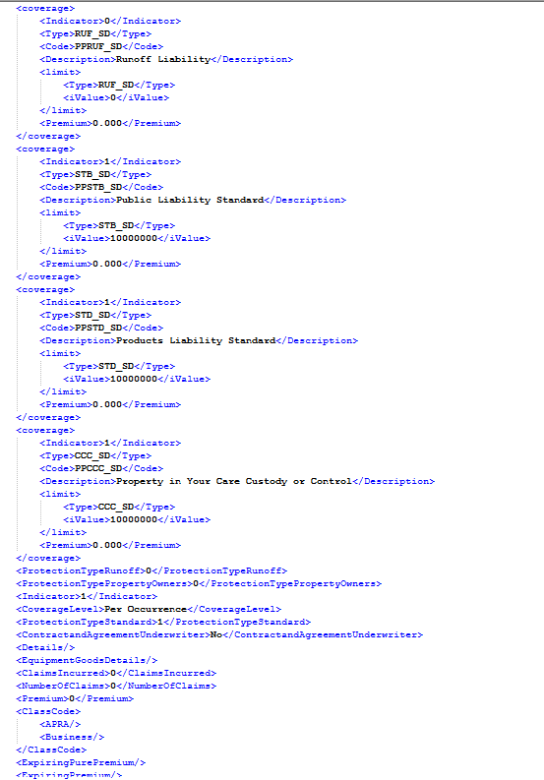
Name | XML Group | Description | Target | ConfigName | Source View | Staging Table | Legacy table | Key Fields | Business Rules | Sample Request XML | Sample Response XML

PublicProductLiability-->Session_Data_Policy_Line_PublicProductLiability_Clauses |  | Clause For PublicProductLiability | AGGNE.PRD.PA_LINE_PPL_Target | BP_Line_PPL_2_CLAUSE | AGGNE.PRD.PA_LINE_PPL_CLAUSE | Line_PublicLiability_Coverage_Policyattach | AGGNE.PRD.policyattach_bp,PRD_T5_EXTERNAL_AGGNE.PURE_SNAPSHOT.CBP_PUBLICPRODUCTS,PRD_T5_EXTERNAL_AGGNE.PURE_SNAPSHOT.UDL_PPUMR001,PRD_T5_EXTERNAL_AGGNE.PURE_SNAPSHOT.UDL_PPUMR002,PRD_T5_EXTERNAL_AGGNE.PURE_SNAPSHOT.UDL_PPUMR003,PRD_T5_EXTERNAL_AGGNE.PURE_SNAPSHOT.UDL_PPUMR004,PRD_T5_EXTERNAL_AGGNE.PURE_SNAPSHOT.CBP_EQUIPGOODSDETAIL | Type,Description |  | <Clause> <Type>PL Property Owners' Liability</Type> <Indicator>1</Indicator> <Description>Protection is only for your Property Owners' Liability, at: "xxxxx"</Description> <DisableFlag>1</DisableFlag> </Clause> | Not in Attach Response

PublicProductLiability-->Session_Data_Policy_Line_PublicProductLiability_Underwriting Description |  | Underwriting Description For PublicProductLiability | AGGNE.PRD.PA_LINE_PPL_Target | BP_Line_PPL_1_UW | AGGNE.PRD.PA_LINE_PPL_UW | Output_UWAdjust_BSP_PolicyAttach | Adjustments_BSP_Out_PolicyAttach,ExpPremium_BSP_PolicyAttach,Adjustments_BSP_PolicyAttach,PRD_T5_EXTERNAL_AGGNE.PURE_SNAPSHOT.CBP_ADJUSTMENTSTA | Amount,Description |  | <UnderwritingAdjustment> <Type>PublicProductLiability</Type> <AdjustmentSelection>0</AdjustmentSelection> <AdjustmentDollarAndPercent>56</AdjustmentDollarAndPercent> <AdjustmentAmount>0</AdjustmentAmount> <RecurringIndicator>1</RecurringIndicator> <UnderwritingDescription>Description</UnderwritingDescription> </UnderwritingAdjustment> | Not in Attach Response

PublicProductLiability-->Session_Data_Policy_Line_PublicProductLiability | 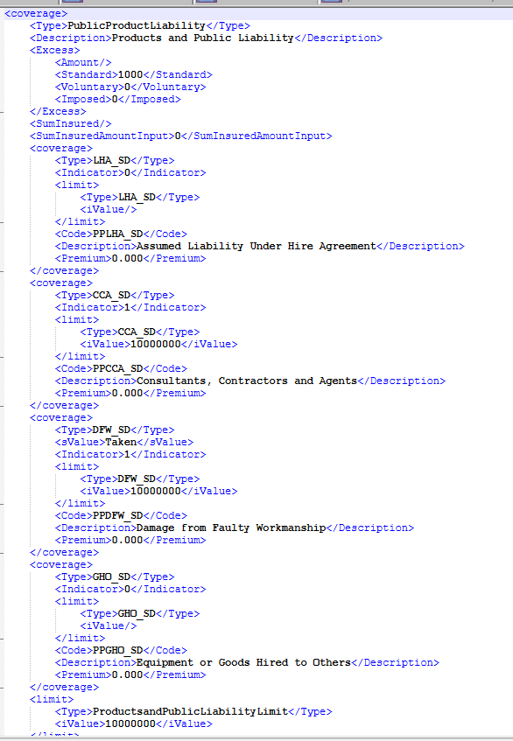 | Coverages,excess Information n the PPL Coverage block Sub Coverage include: PPLHA_SD-Assumed Liability Under Hire Agreement PPCCA_SD-Consultants, Contractors and Agents PPDFW_SD-Damage from Faulty Workmanship PPGHO_SD-Equipment or Goods Hired to Others PPPOO_SD-Property Owners Only PPRFW_SD-Rectification of Faulty Workmanship PPRUF_SD-Runoff Liability PPSTB_SD-Public Liability Standard PPSTD_SD-Products Liability Standard PPCCC_SD-Property in Your Care Custody or Control | AGGNE.PRD.PA_LINE_PPL_Target | BP_LINE_PPL | AGGNE.PRD.PA_LINE_PPL_PAYLOAD | Line_PublicLiability_Coverage_Policyattach | AGGNE.PRD.policyattach_bp,PRD_T5_EXTERNAL_AGGNE.PURE_SNAPSHOT.CBP_PUBLICPRODUCTS,PRD_T5_EXTERNAL_AGGNE.PURE_SNAPSHOT.UDL_PPUMR001,PRD_T5_EXTERNAL_AGGNE.PURE_SNAPSHOT.UDL_PPUMR002,PRD_T5_EXTERNAL_AGGNE.PURE_SNAPSHOT.UDL_PPUMR003,PRD_T5_EXTERNAL_AGGNE.PURE_SNAPSHOT.UDL_PPUMR004,PRD_T5_EXTERNAL_AGGNE.PURE_SNAPSHOT.CBP_EQUIPGOODSDETAIL | Coverage,premiums,Excess |  | <coverage> <Type>PublicProductLiability</Type> <Description>Products and Public Liability</Description> <Excess> <Amount/> <Standard>{STANDARDEXCESS}</Standard> <Voluntary>{VOLUNTARYEXCESS}</Voluntary> <Imposed>{IMPOSEDEXCESS}</Imposed> </Excess> <SumInsured/> <SumInsuredAmountInput>0</SumInsuredAmountInput> <coverage> <Type>LHA_SD</Type> <Indicator>{ASSUMEDLIABILITY}</Indicator> <limit> <Type>LHA_SD</Type> <iValue>{ASSUMEDLIABILITYLIMIT}</iValue> </limit> <Code>PPLHA_SD</Code> <Description>Assumed Liability Under Hire Agreement</Description> <Premium>{EXP_PREM_PPLHA_SD}</Premium> </coverage> <coverage> <Type>CCA_SD</Type> <Indicator>{CONTRACTANDSUBCON}</Indicator> <limit> <Type>CCA_SD</Type> <iValue>{CONTRACTANDSUBCONLIMIT}</iValue> </limit> <Code>PPCCA_SD</Code> <Description>Consultants, Contractors and Agents</Description> <Premium>{EXP_PREM_PPCCA_SD}</Premium> </coverage> <coverage> <Type>DFW_SD</Type> <sValue>Taken</sValue> <Indicator>1</Indicator> <limit> <Type>DFW_SD</Type> <iValue>{PRODUCTSANDPUBLICLIABILITYLIMIT}</iValue> </limit> <Code>PPDFW_SD</Code> <Description>Damage from Faulty Workmanship</Description> <Premium>{EXP_PREM_PPDFW_SD}</Premium> </coverage> <coverage> <Type>GHO_SD</Type> <Indicator>{EQUIPMENTGOODS}</Indicator> <limit> <Type>GHO_SD</Type> <iValue>{EQUIPMENTGOODSLIMIT}</iValue> </limit> <Code>PPGHO_SD</Code> <Description>Equipment or Goods Hired to Others</Description> <Premium>{EXP_PREM_PPGHO_SD}</Premium> </coverage> <limit> <Type>ProductsandPublicLiabilityLimit</Type> <iValue>{PRODUCTSANDPUBLICLIABILITYLIMIT}</iValue> </limit> <Code>PP</Code> <coverage> <Indicator>{PROPERTYOWNER}</Indicator> <Type>POO_SD</Type> <Code>PPPOO_SD</Code> <Description>Property Owners Only</Description> <limit> <Type>POO_SD</Type> <iValue>{PROPERTYOWNERSLIABILITYLIMIT} | <Excess type="PublicProductLiability"> <Total>1000</Total> <Earthquake/> <Glass/> <Flood/> <CustomerVehicle/> <HailDamage/> <MaliDamage/> <Wind/> <StolenKey/> </Excess> <Coverage id="c2864CB9496D442CB9DCFB061338595F9"> <Type>PPCCA</Type> <Deductible type="Total" value=""/> <Limit type="Per Occurrence" value="10000000"/> <Premium>0.000</Premium> </Coverage> <Coverage id="cABB781D3973B4D0AB9CAFA604150E937"> <Type>PPDFW</Type> <Deductible type="Total" value=""/> <Limit type="Per Occurrence" value="10000000"/> <Premium>0.000</Premium> </Coverage> <Coverage id="c483E2CD42FD3411EA661BEBC4F233268"> <Type>PPRFW</Type> <Deductible type="Total" value=""/> <Limit type="Per Occurrence" value="50000"/> <Premium>0.000</Premium> </Coverage> <Coverage id="cF1C5147F785341F9A445432128D5BB84"> <Type>PPSTB</Type> <Deductible type="Total" value=""/> <Limit type="Per Occurrence" value="10000000"/> <Premium>0.000</Premium> </Coverage> <Coverage id="cECAF049F67BF4B9CAF74596C5BDC23B1"> <Type>PPSTD</Type> <Deductible type="Total" value=""/> <Limit type="Per Occurrence" value="10000000"/> <Premium>0.000</Premium> </Coverage> <Coverage id="c7CBB48F753D4450FB593FE89BD9FB12F"> <Type>PPCCC</Type> <Deductible type="Total" value=""/> <Limit type="Per Occurrence" value="10000000"/> <Premium>0.000</Premium> </Coverage>

Line_PF
Name | XML Group | Description | Target | ConfigName | Source View | Staging Table | Legacy table | Key Fields | Business Rules | Sample Request XML | Sample Response XML

ProfessionalProtection-->Session_Data_Policy_Line_ProfessionalProtection_Clauses |  | Clause For ProfessionalProtection | AGGNE.PRD.PA_LINE_PPL_Target | BP_Line_PPL_2_CLAUSE | AGGNE.PRD.PA_LINE_PPL_CLAUSE | Line_PublicLiability_Coverage_Policyattach | AGGNE.PRD.policyattach_bp,PRD_T5_EXTERNAL_AGGNE.PURE_SNAPSHOT.CBP_PUBLICPRODUCTS,PRD_T5_EXTERNAL_AGGNE.PURE_SNAPSHOT.UDL_PPUMR001,PRD_T5_EXTERNAL_AGGNE.PURE_SNAPSHOT.UDL_PPUMR002,PRD_T5_EXTERNAL_AGGNE.PURE_SNAPSHOT.UDL_PPUMR003,PRD_T5_EXTERNAL_AGGNE.PURE_SNAPSHOT.UDL_PPUMR004,PRD_T5_EXTERNAL_AGGNE.PURE_SNAPSHOT.CBP_EQUIPGOODSDETAIL | Type,Description |  | <Clause> <Type>PL Property Owners' Liability</Type> <Indicator>1</Indicator> <Description>Protection is only for your Property Owners' Liability, at: "xxxxx"</Description> <DisableFlag>1</DisableFlag> </Clause> | Not in Attach Response

ProfessionalProtection-->Session_Data_Policy_Line_ProfessionalProtection_Underwriting Description |  | Underwriting Description For ProfessionalProtection | AGGNE.PRD.PA_LINE_PPL_Target | BP_Line_PPL_1_UW | AGGNE.PRD.PA_LINE_PPL_UW | Output_UWAdjust_BSP_PolicyAttach | Adjustments_BSP_Out_PolicyAttach,ExpPremium_BSP_PolicyAttach,Adjustments_BSP_PolicyAttach,PRD_T5_EXTERNAL_AGGNE.PURE_SNAPSHOT.CBP_ADJUSTMENTSTA | Amount,Description |  | <UnderwritingAdjustment> <Type>PublicProductLiability</Type> <AdjustmentSelection>0</AdjustmentSelection> <AdjustmentDollarAndPercent>56</AdjustmentDollarAndPercent> <AdjustmentAmount>0</AdjustmentAmount> <RecurringIndicator>1</RecurringIndicator> <UnderwritingDescription>Description</UnderwritingDescription> </UnderwritingAdjustment> | Not in Attach Response

ProfessionalProtection-->Session_Data_Policy_Line_ProfessionalProtection | 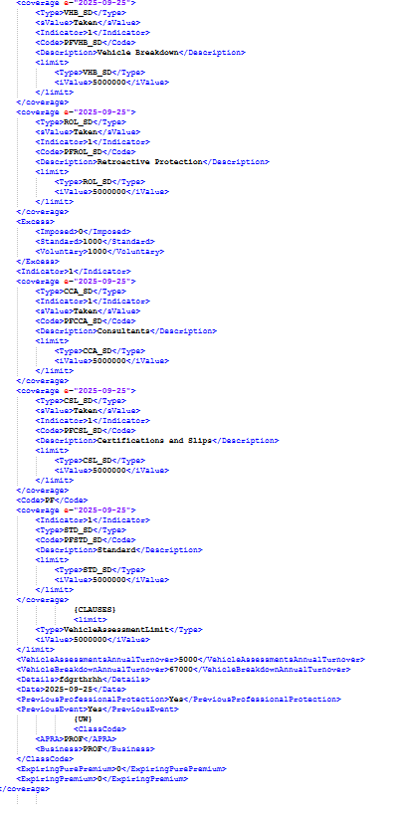 | Coverages,excess Information n the PF Coverage block Sub Coverage include: PFCSL_SD-Certifications and Slips PFVHB_SD-Vehicle Breakdown PFROL_SD-Retroactive Protection PFCCA_SD-Consultants, Contractors and Agents PFSTD_SD-Standard | AGGNE.PRD.PA_LINE_PPL_Target | BP_LINE_PF | AGGNE.PRD.PA_LINE_PF_PAYLOAD | Line_PublicLiability_Coverage_Policyattach | AGGNE.PRD.policyattach_bp,PRD_T5_EXTERNAL_AGGNE.PURE_SNAPSHOT.CBP_PUBLICPRODUCTS,PRD_T5_EXTERNAL_AGGNE.PURE_SNAPSHOT.UDL_PPUMR001,PRD_T5_EXTERNAL_AGGNE.PURE_SNAPSHOT.UDL_PPUMR002,PRD_T5_EXTERNAL_AGGNE.PURE_SNAPSHOT.UDL_PPUMR003,PRD_T5_EXTERNAL_AGGNE.PURE_SNAPSHOT.UDL_PPUMR004,PRD_T5_EXTERNAL_AGGNE.PURE_SNAPSHOT.CBP_EQUIPGOODSDETAIL | Coverage,premiums,Excess |  | <coverage e="2025-09-25"> <Type>ProfessionalProtection</Type> <Description>Professional Protection</Description> <coverage e="2025-09-25"> <Type>VHB_SD</Type> <sValue>Taken</sValue> <Indicator>1</Indicator> <Code>PFVHB_SD</Code> <Description>Vehicle Breakdown</Description> <limit> <Type>VHB_SD</Type> <iValue>5000000</iValue> </limit> </coverage> <coverage e="2025-09-25"> <Type>ROL_SD</Type> <sValue>Taken</sValue> <Indicator>1</Indicator> <Code>PFROL_SD</Code> <Description>Retroactive Protection</Description> <limit> <Type>ROL_SD</Type> <iValue>5000000</iValue> </limit> </coverage> <Excess> <Imposed>0</Imposed> <Standard>1000</Standard> <Voluntary>1000</Voluntary> </Excess> <Indicator>1</Indicator> <coverage e="2025-09-25"> <Type>CCA_SD</Type> <Indicator>1</Indicator> <sValue>Taken</sValue> <Code>PFCCA_SD</Code> <Description>Consultants</Description> <limit> <Type>CCA_SD</Type> <iValue>5000000</iValue> </limit> </coverage> <coverage e="2025-09-25"> <Type>CSL_SD</Type> <sValue>Taken</sValue> <Indicator>1</Indicator> <Code>PFCSL_SD</Code> <Description>Certifications and Slips</Description> <limit> <Type>CSL_SD</Type> <iValue>5000000</iValue> </limit> </coverage> <Code>PF</Code> <coverage e="2025-09-25"> <Indicator>1</Indicator> <Type>STD_SD</Type> <Code>PFSTD_SD</Code> <Description>Standard</Description> <limit> <Type>STD_SD</Type> <iValue>5000000</iValue> </limit> </coverage> {CLAUSES} <limit> <Type>VehicleAssessmentLimit</Type> <iValue>5000000</iValue> </limit> <VehicleAssessmentsAnnualTurnover>5000</VehicleAssessmentsAnnualTurnover> <VehicleBreakdownAnnualTurnover>67000</VehicleBreakdownAnnualTurnover> <Details>fdgrthrhh</Details> <Date>2025-09-25</Date> <PreviousProfessionalProtection>Yes</PreviousProfessionalProtection> <PreviousEvent>Yes</PreviousEvent> | <Excess type="ProfessionalProtection"> <Total>1000</Total> <Earthquake/> <Glass/> <Flood/> <CustomerVehicle/> <HailDamage/> <MaliDamage/> <Wind/> <StolenKey/> </Excess> <Coverage id="c829C228624074C70A9780C9C815B2F9F"> <Type>PFCSL</Type> <Deductible type="Total" value=""/> <Limit type="Per Occurrence" value="2000000"/> <Premium>0.000</Premium> </Coverage> <Coverage id="c11CA6A49532B4E3DA5AE2D8FFE78ECC3"> <Type>PFSTD</Type> <Deductible type="Total" value=""/> <Limit type="Per Occurrence" value="2000000"/> <Premium>0.000</Premium> </Coverage>

Line_CV
Name | XML Group | Description | Target | ConfigName | Source View | Staging Table | Legacy table | Key Fields | Business Rules | Sample Request XML | Sample Response XML

CustomerVehicles-->Session_Data_Policy_Line_CustomerVehicles_Clauses |  | Clause For CustomerVehicles | AGGNE.PRD.PA_LINE_CV_Target | BP_LINE_CV_CLAUSE | AGGNE.PRD.PA_LINE_CV_CLAUSE | line_cv_coverage_policyattach | AGGNE.PRD.policyattach_bp,PRD_T5_EXTERNAL_AGGNE.PURE_SNAPSHOT.cbp_customervehicle,PRD_T5_EXTERNAL_AGGNE.PURE_SNAPSHOT.cbp_riskselection | Type,Description |  | <Clause> <Type>{DCCLAUSETYPE}</Type> <Indicator>1</Indicator> <Description>{DCINPUT}</Description> <DisableFlag>1</DisableFlag> </Clause> | Not in Attach Response

CustomerVehicles-->Session_Data_Policy_Line_CustomerVehicles_Underwriting Description |  | Underwriting Description For CustomerVehicles | AGGNE.PRD.PA_LINE_CV_Target | BP_LINE_CV_UW | AGGNE.PRD.PA_LINE_CV_UW | Output_UWAdjust_BSP_PolicyAttach | Adjustments_BSP_Out_PolicyAttach,ExpPremium_BSP_PolicyAttach,Adjustments_BSP_PolicyAttach,PRD_T5_EXTERNAL_AGGNE.PURE_SNAPSHOT.CBP_ADJUSTMENTSTA | Amount,Description |  | <UnderwritingAdjustment> <Type>CustomerVehicles</Type> <AdjustmentSelection>{ADJUSTMENTSELECTION}</AdjustmentSelection> <AdjustmentDollarAndPercent>{ADJUSTMENTDOLLARANDPERCENT}</AdjustmentDollarAndPercent> <AdjustmentAmount></AdjustmentAmount> <Recurring> <Indicator>{RECURRINGINDICATOR}</Indicator> </Recurring> <UnderwritingDescription>{UNDERWRITINGDESCRIPTION}</UnderwritingDescription> </UnderwritingAdjustment> | Not in Attach Response

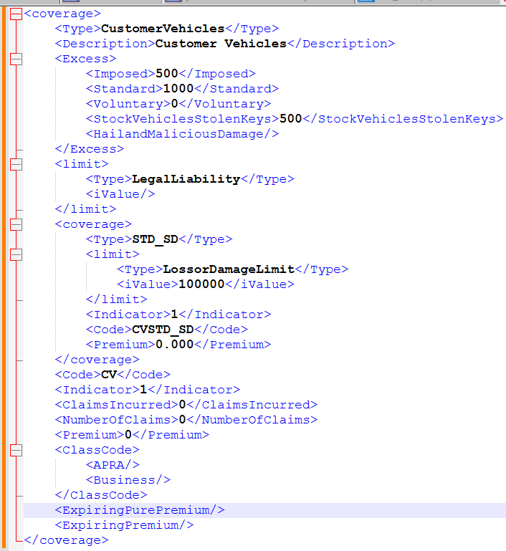
CustomerVehicles-->Session_Data_Policy_Line_CustomerVehicles |  | Coverages,excess Information n the CV Coverage block Sub Coverage include: LossorDamageLimit --CVSTD_SD | AGGNE.PRD.PA_LINE_CV_Target | BP_LINE_CV | AGGNE.PRD.PA_LINE_CV_PAYLOAD | line_cv_coverage_policyattach | AGGNE.PRD.policyattach_bp,PRD_T5_EXTERNAL_AGGNE.PURE_SNAPSHOT.cbp_customervehicle,PRD_T5_EXTERNAL_AGGNE.PURE_SNAPSHOT.cbp_riskselection | Coverage,premiums,Excess |  | <coverage> <Type>CustomerVehicles</Type> <Description>Customer Vehicles</Description> <Excess> <Imposed>500</Imposed> <Standard>1000</Standard> <Voluntary>0</Voluntary> <StockVehiclesStolenKeys>500</StockVehiclesStolenKeys> <HailandMaliciousDamage/> </Excess> <limit> <Type>LegalLiability</Type> <iValue/> </limit> <coverage> <Type>STD_SD</Type> <limit> <Type>LossorDamageLimit</Type> <iValue>100000</iValue> </limit> <Indicator>1</Indicator> <Code>CVSTD_SD</Code> <Premium>0.000</Premium> </coverage> <Code>CV</Code> <Indicator>1</Indicator> <ClaimsIncurred>0</ClaimsIncurred> <NumberOfClaims>0</NumberOfClaims> <Premium>0</Premium> <ClassCode> <APRA/> <Business/> </ClassCode> <ExpiringPurePremium/> <ExpiringPremium/> </coverage> | <Excess type="CustomerVehicles"> <Total>1000</Total> <Earthquake/> <Glass/> <Flood/> <CustomerVehicle/> <HailDamage/> <MaliDamage/> <Wind/> <StolenKey>500</StolenKey> </Excess><Coverage id="c4626C779A1CB4EEAB0940E7AE342648D"> <Type>CVSTD</Type> <Deductible type="Total" value=""/> <Limit type="Per Occurrence" value="30000"/> <Premium>0.000</Premium> </Coverage>

Line_SV
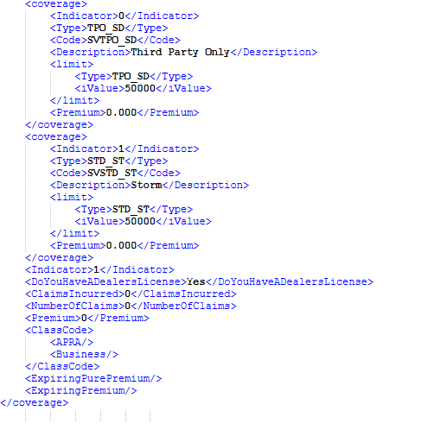
Name | XML Group | Description | Target | ConfigName | Source View | Staging Table | Legacy table | Key Fields | Business Rules | Sample Request XML | Sample Response XML

StockVehicles-->Session_Data_Policy_Line_StockVehicles_Clauses |  | Clause For StockVehicles | AGGNE.PRD.PA_LINE_SV_Target | BP_LINE_SV_CLAUSE | AGGNE.PRD.PA_LINE_SV_CLAUSE | line_sv_coverage_policyattach | AGGNE.PRD.policyattach_bp, PRD_T5_EXTERNAL_AGGNE.PURE_SNAPSHOT.cbp_stockvehicle, PRD_T5_EXTERNAL_AGGNE.PURE_SNAPSHOT.udl_uvumr001, PRD_T5_EXTERNAL_AGGNE.PURE_SNAPSHOT.cbp_riskselection | Type,Description |  | <Clause> <Type>SV Additional Benefit 2 Increase</Type> <Indicator>1</Indicator> <Description>Additional benefits, 2. Towing Costs is increased to "xxxxx"</Description> <DisableFlag>1</DisableFlag> </Clause> | Not in Attach Response

StockVehicles-->Session_Data_Policy_Line_StockVehicles_Underwriting Description |  | Underwriting Description For StockVehicles | AGGNE.PRD.PA_LINE_SV_Target | BP_LINE_SV_UW | AGGNE.PRD.PA_LINE_SV_UW | Output_UWAdjust_BSP_PolicyAttach | Adjustments_BSP_Out_PolicyAttach,ExpPremium_BSP_PolicyAttach,Adjustments_BSP_PolicyAttach,PRD_T5_EXTERNAL_AGGNE.PURE_SNAPSHOT.CBP_ADJUSTMENTSTA | Amount,Description |  | <UnderwritingAdjustment> <Type>StockVehicles</Type> <AdjustmentSelection>0</AdjustmentSelection> <AdjustmentDollarAndPercent>45</AdjustmentDollarAndPercent> <AdjustmentAmount>0</AdjustmentAmount> <RecurringIndicator>1</RecurringIndicator> <UnderwritingDescription>bdrtrr</UnderwritingDescription> </UnderwritingAdjustment> | Not in Attach Response

StockVehicles-->Session_Data_Policy_Line_StockVehicle | 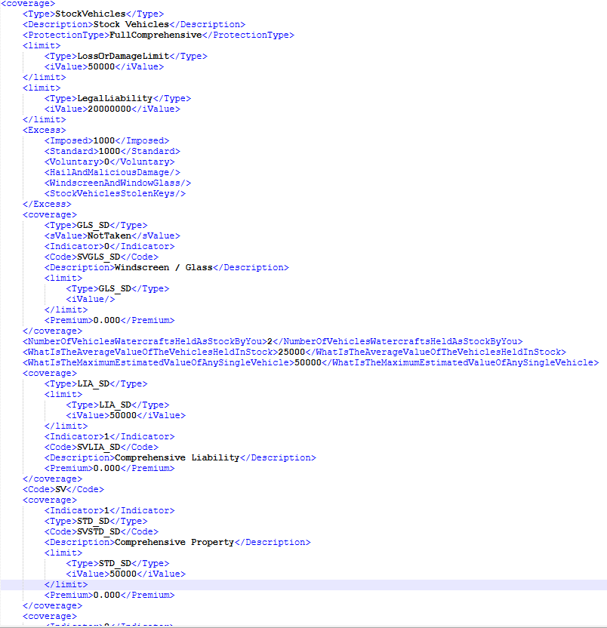 | Coverages,excess Information n the LE Coverage block Sub Coverage include: SVGLS_SD-Windscreen / Glass SVLIA_SD-Comprehensive Liability SVSTD_SD-Comprehensive Property SVTPO_SD-Third Party Only SVSTD_ST-Storm | AGGNE.PRD.PA_LINE_SV_Target | BP_LINE_SV | AGGNE.PRD.PA_LINE_SV_PAYLOAD | line_sv_coverage_policyattach | AGGNE.PRD.policyattach_bp, PRD_T5_EXTERNAL_AGGNE.PURE_SNAPSHOT.cbp_stockvehicle, PRD_T5_EXTERNAL_AGGNE.PURE_SNAPSHOT.udl_uvumr001, PRD_T5_EXTERNAL_AGGNE.PURE_SNAPSHOT.cbp_riskselection | Coverage,premiums,Excess |  | <coverage> <Type>StockVehicles</Type> <Description>Stock Vehicles</Description> <ProtectionType>FullComprehensive</ProtectionType> <limit> <Type>LossOrDamageLimit</Type> <iValue>50000</iValue> </limit> <limit> <Type>LegalLiability</Type> <iValue>20000000</iValue> </limit> <Excess> <Imposed>1000</Imposed> <Standard>1000</Standard> <Voluntary>0</Voluntary> <HailAndMaliciousDamage/> <WindscreenAndWindowGlass/> <StockVehiclesStolenKeys/> </Excess> <coverage> <Type>GLS_SD</Type> <sValue>NotTaken</sValue> <Indicator>0</Indicator> <Code>SVGLS_SD</Code> <Description>Windscreen / Glass</Description> <limit> <Type>GLS_SD</Type> <iValue/> </limit> <Premium>0.000</Premium> </coverage> <NumberOfVehiclesWatercraftsHeldAsStockByYou>2</NumberOfVehiclesWatercraftsHeldAsStockByYou> <WhatIsTheAverageValueOfTheVehiclesHeldInStock>25000</WhatIsTheAverageValueOfTheVehiclesHeldInStock> <WhatIsTheMaximumEstimatedValueOfAnySingleVehicle>50000</WhatIsTheMaximumEstimatedValueOfAnySingleVehicle> <coverage> <Type>LIA_SD</Type> <limit> <Type>LIA_SD</Type> <iValue>50000</iValue> </limit> <Indicator>1</Indicator> <Code>SVLIA_SD</Code> <Description>Comprehensive Liability</Description> <Premium>0.000</Premium> </coverage> <Code>SV</Code> <coverage> <Indicator>1</Indicator> <Type>STD_SD</Type> <Code>SVSTD_SD</Code> <Description>Comprehensive Property</Description> <limit> <Type>STD_SD</Type> <iValue>50000</iValue> </limit> <Premium>0.000</Premium> </coverage> <coverage> <Indicator>0</Indicator> <Type>TPO_SD</Type> <Code>SVTPO_SD</Code> <Description>Third Party Only</Description> <limit> <Type>TPO_SD</Type> <iValue>50000</iValue> </limit> <Premium>0.000</Premium> </coverage> <coverage> <Indicator>1</Indicator> <Type>STD_ST</Type> <Code>SVSTD_ST</Code> <Description>Storm</Description> <limit> | <Coverage id="cF8D61B3E8163476FAC28E0EE2E365A05"> <Type>SVLIA</Type> <Deductible type="Total" value="" /> <Limit type="Per Occurrence" value="20000000" /> <Premium>0.000</Premium> </Coverage> <Coverage id="c42E83921C4D04395995C314BB25705E5"> <Type>SVSTD</Type> <Deductible type="Total" value="" /> <Limit type="Per Occurrence" value="50000" /> <Premium>0.000</Premium> </Coverage><Excess type="StockVehicles"> <Total>2000</Total> <Earthquake></Earthquake> <Glass></Glass> <Flood></Flood> <CustomerVehicle></CustomerVehicle> <HailDamage /> <MaliDamage /> <Wind></Wind> <StolenKey></StolenKey> </Excess>

Line_GT
Name | XML Group | Description | Target | ConfigName | Source View | Staging Table | Legacy table | Key Fields | Business Rules | Sample Request XML | Sample Response XML


GoodsInTransit-->Session_Data_Policy_Line_GoodsInTransit_Clauses |  | Clause For GoodsInTransit | AGGNE.PRD.PA_LINE_GT_TARGET | BP_LINE_GT_CLAUSE | AGGNE.PRD.PA_LINE_GT_CLAUSE | Line_GT_Coverage_Policyattach | AGGNE.PRD.policyattach_bp,PRD_T5_EXTERNAL_AGGNE.PURE_SNAPSHOT.cbp_goodstransit,PRD_T5_EXTERNAL_AGGNE.PURE_SNAPSHOT.udl_gtumr001,PRD_T5_EXTERNAL_AGGNE.PURE_SNAPSHOT.cbp_riskselection | Type,Description |  | <Clauses> <Type>GoodsInTransit</Type> <Clause> <Type>GT General Exclusion</Type> <Indicator>1</Indicator> <Description>Goods in Transit protection excludes loss or damage caused by "xxxxx"</Description> <DisableFlag>1</DisableFlag> </Clause> </Clauses> | Not in Attach Response

GoodsInTransit-->Session_Data_Policy_Line_GoodsInTransit_Underwriting Description |  | Underwriting Description For GoodsInTransit | AGGNE.PRD.PA_LINE_GT_TARGET | BP_LINE_GT_UW | AGGNE.PRD.PA_LINE_GT_UW | Output_UWAdjust_BSP_PolicyAttach | Adjustments_BSP_Out_PolicyAttach,ExpPremium_BSP_PolicyAttach,Adjustments_BSP_PolicyAttach,PRD_T5_EXTERNAL_AGGNE.PURE_SNAPSHOT.CBP_ADJUSTMENTSTA | Amount,Description |  | <UnderwritingAdjustment> <Type>GoodsInTransit</Type> <AdjustmentSelection>0</AdjustmentSelection> <AdjustmentDollarAndPercent>45</AdjustmentDollarAndPercent> <AdjustmentAmount>0</AdjustmentAmount> <RecurringIndicator>0</RecurringIndicator> <UnderwritingDescription>36564</UnderwritingDescription> </UnderwritingAdjustment> | Not in Attach Response

GoodsInTransit-->Session_Data_Policy_Line_GoodsInTransit | 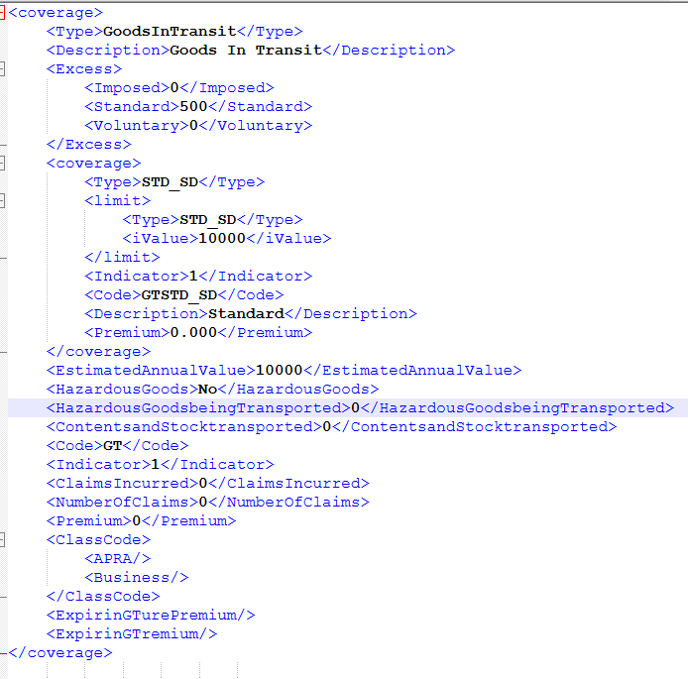 | Coverages,excess Information n the GT Coverage block Sub Coverage include: Standard --GTSTD_SD | AGGNE.PRD.PA_LINE_GT_PAYLOAD | BP_LINE_GT | AGGNE.PRD.PA_LINE_GT_PAYLOAD | Line_GT_Coverage_Policyattach | AGGNE.PRD.policyattach_bp,PRD_T5_EXTERNAL_AGGNE.PURE_SNAPSHOT.cbp_goodstransit,PRD_T5_EXTERNAL_AGGNE.PURE_SNAPSHOT.udl_gtumr001,PRD_T5_EXTERNAL_AGGNE.PURE_SNAPSHOT.cbp_riskselection | Coverage,premiums,Excess |  | <coverage> <Type>GoodsInTransit</Type> <Description>Goods In Transit</Description> <Excess> <Imposed>0</Imposed> <Standard>500</Standard> <Voluntary>0</Voluntary> </Excess> <coverage> <Type>STD_SD</Type> <limit> <Type>STD_SD</Type> <iValue>10000</iValue> </limit> <Indicator>1</Indicator> <Code>GTSTD_SD</Code> <Description>Standard</Description> <Premium>0.000</Premium> </coverage> <EstimatedAnnualValue>10000</EstimatedAnnualValue> <HazardousGoods>No</HazardousGoods> <HazardousGoodsbeingTransported>0</HazardousGoodsbeingTransported> <ContentsandStocktransported>0</ContentsandStocktransported> <Code>GT</Code> <Indicator>1</Indicator> <ClaimsIncurred>0</ClaimsIncurred> <NumberOfClaims>0</NumberOfClaims> <Premium>0</Premium> <ClassCode> <APRA/> <Business/> </ClassCode> <ExpirinGTurePremium/> <ExpirinGTremium/> </coverage> | <Coverage id="c2FECB6975C5D4D078E49E1A2E27AA4DA"> <Type>GTSTD</Type> <Deductible type="Total" value="" /> <Limit type="Per Occurrence" value="10000" /> <Premium>0.000</Premium> </Coverage>

Line_LE
Name | XML Group | Description | Target | ConfigName | Source View | Staging Table | Legacy table | Key Fields | Business Rules | Sample Request XML | Sample Response XML

LegalExpenses-->Session_Data_Policy_Line_LegalExpenses_Clauses |  | Clause For LegalExpenses | AGGNE.PRD.PA_LINE_LE_Target | BP_LINE_LE_CLAUSE | AGGNE.PRD.PA_LINE_LE_CLAUSE | line_le_coverage_policyattach | AGGNE.PRD.policyattach_bp,PRD_T5_EXTERNAL_AGGNE.PURE_SNAPSHOT.cbp_legalexpenses,PRD_T5_EXTERNAL_AGGNE.PURE_SNAPSHOT.cbp_riskselection | Type,Description |  | <Clauses> <Type>LegalExpenses</Type> <Clause> <Type>LE General Exclusion</Type> <Indicator>1</Indicator> <Description>Legal Expenses protection excludes any claims arising from "xxxxx"</Description> <DisableFlag>1</DisableFlag> </Clause> </Clauses> | Not in Attach Response

LegalExpenses-->Session_Data_Policy_Line_LegalExpenses_Underwriting Description |  | Underwriting Description For LegalExpenses | AGGNE.PRD.PA_LINE_LE_Target | BP_LINE_LE_UW | AGGNE.PRD.PA_LINE_LE_UW | Output_UWAdjust_BSP_PolicyAttach | Adjustments_BSP_Out_PolicyAttach,ExpPremium_BSP_PolicyAttach,Adjustments_BSP_PolicyAttach,PRD_T5_EXTERNAL_AGGNE.PURE_SNAPSHOT.CBP_ADJUSTMENTSTA | Amount,Description |  | <UnderwritingAdjustment> <Type>LegalExpenses</Type> <AdjustmentSelection>0</AdjustmentSelection> <AdjustmentDollarAndPercent>45</AdjustmentDollarAndPercent> <AdjustmentAmount>0</AdjustmentAmount> <RecurringIndicator>1</RecurringIndicator> <UnderwritingDescription>bdrtrr</UnderwritingDescription> </UnderwritingAdjustment> | Not in Attach Response

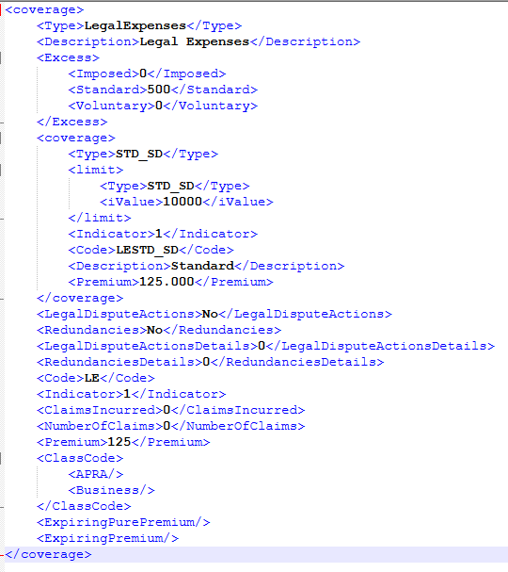
LegalExpenses-->Session_Data_Policy_Line_LegalExpenses |  | Coverages,excess Information n the LE Coverage block Sub Coverage include: Standard --LESTD_SD | AGGNE.PRD.PA_LINE_LE_Target | BP_LINE_LE | AGGNE.PRD.PA_LINE_LE_PAYLOAD | line_le_coverage_policyattach | AGGNE.PRD.policyattach_bp,PRD_T5_EXTERNAL_AGGNE.PURE_SNAPSHOT.cbp_legalexpenses,PRD_T5_EXTERNAL_AGGNE.PURE_SNAPSHOT.cbp_riskselection | Coverage,premiums,Excess |  | <coverage> <Type>LegalExpenses</Type> <Description>Legal Expenses</Description> <Excess> <Imposed>0</Imposed> <Standard>500</Standard> <Voluntary>0</Voluntary> </Excess> <coverage> <Type>STD_SD</Type> <limit> <Type>STD_SD</Type> <iValue>10000</iValue> </limit> <Indicator>1</Indicator> <Code>LESTD_SD</Code> <Description>Standard</Description> <Premium>125.000</Premium> </coverage> <LegalDisputeActions>No</LegalDisputeActions> <Redundancies>No</Redundancies> <LegalDisputeActionsDetails>0</LegalDisputeActionsDetails> <RedundanciesDetails>0</RedundanciesDetails> <Code>LE</Code> <Indicator>1</Indicator> <ClaimsIncurred>0</ClaimsIncurred> <NumberOfClaims>0</NumberOfClaims> <Premium>125</Premium> <ClassCode> <APRA/> <Business/> </ClassCode> <ExpiringPurePremium/> <ExpiringPremium/> </coverage> | <Coverage id="cB03E96C5B7684CF882327B733A334EE3"> <Type>LESTD</Type> <Deductible type="Total" value="" /> <Limit type="Per Occurrence" value="10000" /> <Premium>125.000</Premium> </Coverage>

Risk_Building_BB
Name | XML Group | Description | Target | ConfigName | Source View | Staging Table | Legacy table | Key Fields | Business Rules | Sample Request XML | Sample Response XML
RISK_Building-->Session_Data_Policy_Line_Risk_Building_BB_Clauses |  | Clause For BB-BusinessBuilding | AGGNE.PRD.PA_RISK_BUILDING_TARGET | BP_LOC_BB_CLAUSE | AGGNE.PRD.PA_LOC_BB_CLAUSE | location_bb_coverage_policyattach | PRD_T5_EXTERNAL_AGGNE.PURE_SNAPSHOT.cbp_riskselection,PRD_T5_EXTERNAL_AGGNE.PURE_SNAPSHOT.cbp_businessbuildings,AGGNE.PRD.policyattach_bp | Type,Description |  | <Clauses> <Type>Building</Type> <Clause> <Description>Business Buildings protection excludes loss or damage caused by "xxxxx"</Description> <Type>BB General Exclusion</Type> <DisableFlag>1</DisableFlag> <Indicator>1</Indicator> </Clause> | Not in Attach Response

RISK_Building-->Session_Data_Policy_Line_Risk_Building_BB_Underwriting |  | Clause For BusinessBuilding | AGGNE.PRD.PA_RISK_BUILDING_TARGET | BP_BUILDING_UW | AGGNE.PRD.PA_BUILDING_UW | Output_UWAdjust_BSP_PolicyAttach | Adjustments_BSP_Out_PolicyAttach,ExpPremium_BSP_PolicyAttach,Adjustments_BSP_PolicyAttach,PRD_T5_EXTERNAL_AGGNE.PURE_SNAPSHOT.CBP_ADJUSTMENTSTA | Amount,Description |  | <UnderwritingAdjustment> <Type>Building</Type> <IsUWAdjReadOnly>0</IsUWAdjReadOnly> <AdjustmentSelection>0</AdjustmentSelection> <AdjustmentDollarAndPercent>45</AdjustmentDollarAndPercent> <AdjustmentAmount>448.598745</AdjustmentAmount> <RecurringIndicator>0</RecurringIndicator> <UnderwritingDescription>Description</UnderwritingDescription> </UnderwritingAdjustment> | Not in Attach Response

RISK_Building-->Session_Data_Policy_Line_Risk_Building_BB_Subcoverages | 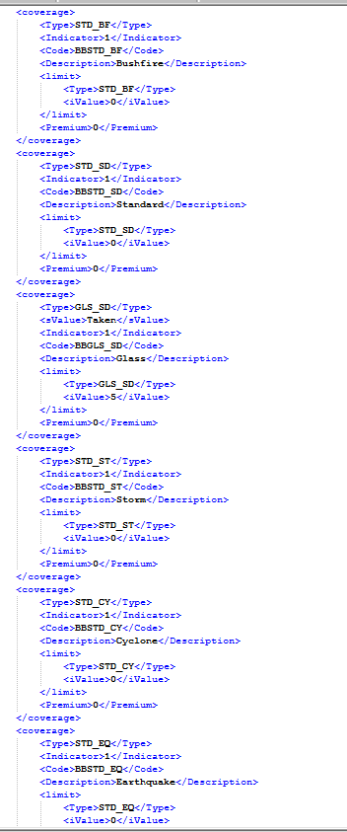 | Sub coverages for BB:BBFLD_SD--Flood BBLOR_SD--Loss of Rent BBGLS_SD--Glass BBSTD_SD--Standard BBACC_SD--Accidental Damage BBSTD_BF--Bushfire BBSTD_CY--Cyclone BBSTD_EQ--Earthquake BBSTD_ST--Storm BBLND_SD--Landslide | AGGNE.PRD.PA_RISK_BUILDING_TARGET | BP_Building_SubCov | AGGNE.PRD.PA_BUILDING_SUBCOVERAGES | location_bb_coverage_policyattach | PRD_T5_EXTERNAL_AGGNE.PURE_SNAPSHOT.cbp_riskselection,PRD_T5_EXTERNAL_AGGNE.PURE_SNAPSHOT.cbp_businessbuildings,AGGNE.PRD.policyattach_bp | SubCoverage,premiums | Response is based on the taken/indicator values | <coverage> <Type>STD_BF</Type> <Indicator>1</Indicator> <Code>BBSTD_BF</Code> <Description>Bushfire</Description> <limit> <Type>STD_BF</Type> <iValue>0</iValue> </limit> <Premium>0</Premium> </coverage> <coverage> <Type>STD_SD</Type> <Indicator>1</Indicator> <Code>BBSTD_SD</Code> <Description>Standard</Description> <limit> <Type>STD_SD</Type> <iValue>0</iValue> </limit> <Premium>0</Premium> </coverage> <coverage> <Type>GLS_SD</Type> <sValue>Taken</sValue> <Indicator>1</Indicator> <Code>BBGLS_SD</Code> <Description>Glass</Description> <limit> <Type>GLS_SD</Type> <iValue>5</iValue> </limit> <Premium>0</Premium> </coverage> <coverage> <Type>STD_ST</Type> <Indicator>1</Indicator> <Code>BBSTD_ST</Code> <Description>Storm</Description> <limit> <Type>STD_ST</Type> <iValue>0</iValue> </limit> <Premium>0</Premium> </coverage> <coverage> <Type>STD_CY</Type> <Indicator>1</Indicator> <Code>BBSTD_CY</Code> <Description>Cyclone</Description> <limit> <Type>STD_CY</Type> <iValue>0</iValue> </limit> <Premium>0</Premium> </coverage> <coverage> <Type>STD_EQ</Type> <Indicator>1</Indicator> <Code>BBSTD_EQ</Code> <Description>Earthquake</Description> <limit> <Type>STD_EQ</Type> <iValue>0</iValue> </limit> <Premium>0</Premium> </coverage> | <Coverage id="cAA300959007A47C2A2DC734BB76FCCE9"> <Type>BBSTD</Type> <Deductible type="Total" value="" /> <Limit type="Per Occurrence" value="0" /> <Premium>0</Premium> </Coverage> <Coverage id="cEA0370260F3D487DA599C3F5C37D4300"> <Type>BBGLS</Type> <Deductible type="Total" value="" /> <Limit type="Per Occurrence" value="5" /> <Premium>0</Premium> </Coverage>

RISK_Building-->Session_Data_Policy_Line_Risk_Building_BB | 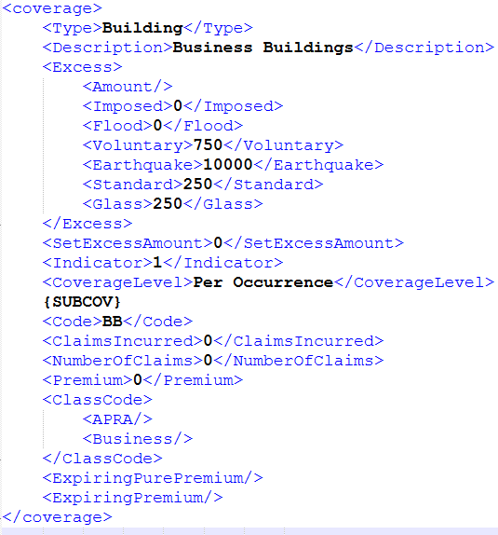 | Excess, Coverage level premiums | AGGNE.PRD.PA_RISK_BUILDING_TARGET | BP_RISK_Building_Cov_Building | AGGNE.DEV.PA_BUILDING_PAYLOAD | location_bb_coverage_policyattach | PRD_T5_EXTERNAL_AGGNE.PURE_SNAPSHOT.cbp_riskselection,PRD_T5_EXTERNAL_AGGNE.PURE_SNAPSHOT.cbp_businessbuildings,AGGNE.PRD.policyattach_bp | Excess |  | <coverage> <Type>Building</Type> <Description>Business Buildings</Description> <Excess> <Amount/> <Imposed>0</Imposed> <Flood>0</Flood> <Voluntary>750</Voluntary> <Earthquake>10000</Earthquake> <Standard>250</Standard> <Glass>250</Glass> </Excess> <SetExcessAmount>0</SetExcessAmount> <Indicator>1</Indicator> <CoverageLevel>Per Occurrence</CoverageLevel> {SUBCOV} <Code>BB</Code> <ClaimsIncurred>0</ClaimsIncurred> <NumberOfClaims>0</NumberOfClaims> <Premium>0</Premium> <ClassCode> <APRA/> <Business/> </ClassCode> <ExpiringPurePremium/> <ExpiringPremium/> </coverage> | <Risk id="rAC515A2817A34B85A97B0E8BE26C2951"> <BuildingId>rAC515A2817A34B85A97B0E8BE26C2951</BuildingId> <LocationId>lFFCBE896C74A4CF6BB8DDD95F89956A0</LocationId> <Type>Building</Type> <Details></Details> <Description></Description> <Location id="lFFCBE896C74A4CF6BB8DDD95F89956A0"> <Description></Description> <Address> <Address1>11 Thornycroft St</Address1> <Address2></Address2> <City>CAMPBELLFIELD</City> <State>VICAU</State> <ZipCode>3061</ZipCode> <Country>AU</Country> </Address> </Location> <Excess type="Building"> <Total>1000</Total> <Earthquake>10000</Earthquake> <Glass>250</Glass> <Flood>0</Flood> <CustomerVehicle></CustomerVehicle> <HailDamage /> <MaliDamage /> <Wind></Wind> <StolenKey></StolenKey> </Excess> <Excess type="ContentsAndStocks"> <Total>1000</Total> <Earthquake>10000</Earthquake> <Glass></Glass> <Flood>0</Flood> <CustomerVehicle></CustomerVehicle> <HailDamage>1500</HailDamage> <MaliDamage /> <Wind></Wind> <StolenKey></StolenKey> </Excess> <Excess type="BusinessInterruption"> <Total>48</Total> <Earthquake></Earthquake> <Glass></Glass> <Flood></Flood> <CustomerVehicle></CustomerVehicle> <HailDamage /> <MaliDamage /> <Wind></Wind> <StolenKey></StolenKey> </Excess> <Excess type="Burglary"> <Total>600</Total> <Earthquake></Earthquake> <Glass></Glass> <Flood></Flood> <CustomerVehicle></CustomerVehicle> <HailDamage /> <MaliDamage /> <Wind></Wind> <StolenKey></StolenKey> </Excess> <Coverage id="cAEDE65FFAC0448C3845FC0F135A5D6CA">

Risk_Building_BC

Name | XML Group | Description | Target | ConfigName | Source View | Staging Table | Legacy table | Key Fields | Business Rules | Sample Request XML | Sample Response XML
RISK_Building-->Session_Data_Policy_Line_Risk_Building_BC_Clauses |  | Clause For BC-BusinessContents | AGGNE.DEV.PA_RISK_Building_BC_TARGET | BP_LOC_BC_CLAUSE | AGGNE.DEV.PA_LOC_BC_CLAUSE | location_bc_coverage_policyattach | PRD_T5_EXTERNAL_AGGNE.PURE_SNAPSHOT.cbp_riskselection,PRD_T5_EXTERNAL_AGGNE.PURE_SNAPSHOT.cbp_businesscontents,AGGNE.PRD.policyattach_bp | Type,Description |  | <Clause> <Description>The definition of Business Contents is extended to "xxxxx"</Description> <Type>BC Definition Extension</Type> <DisableFlag>1</DisableFlag> <Indicator>1</Indicator> </Clause> | Not in Attach Response

RISK_Building-->Session_Data_Policy_Line_Risk_Building_BC_Underwriting |  | Clause For BusinessContents | AGGNE.DEV.PA_RISK_Building_BC_TARGET | BP_RISK_BUILDING_BC_UW | AGGNE.DEV.PA_RISK_BUILDING_BC_UW | Output_UWAdjust_BSP_PolicyAttach | Adjustments_BSP_Out_PolicyAttach,ExpPremium_BSP_PolicyAttach,Adjustments_BSP_PolicyAttach,PRD_T5_EXTERNAL_AGGNE.PURE_SNAPSHOT.CBP_ADJUSTMENTSTA | Amount,Description |  | <UnderwritingAdjustment> <Type>ContentsAndStocks</Type> <IsUWAdjReadOnly>0</IsUWAdjReadOnly> <AdjustmentSelection>0</AdjustmentSelection> <AdjustmentDollarAndPercent>34</AdjustmentDollarAndPercent> <AdjustmentAmount>607.158366</AdjustmentAmount> <RecurringIndicator>0</RecurringIndicator> <UnderwritingDescription>Description</UnderwritingDescription> </UnderwritingAdjustment> | Not in Attach Response

RISK_Building-->Session_Data_Policy_Line_Risk_Building_BC_SubCoverages | 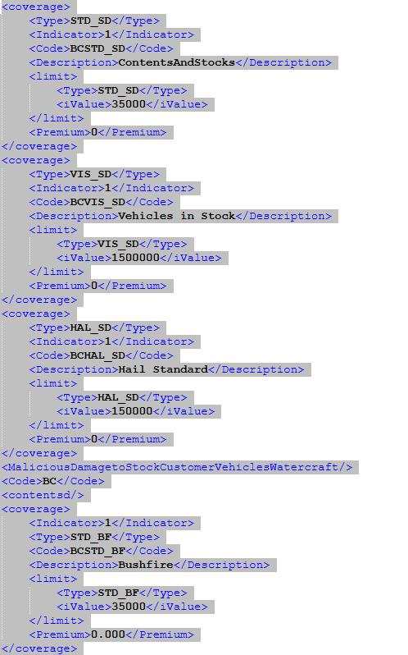 | Sub coverages for BC:BCSTD_SD-Contents And Stocks BCFLD_SD-Flood BCSWP_SD-Stock & Works in Progress BCPER_SD-Handtools BCMFL_SD-Motor Fuels BCEMP_SD-Employees Effects BCVIS_SD-Vehicles in Stock BCCUV_SD-Customer Vehicles BCWIS_SD-Watercraft in Stock BCCUW_SD-Customers Watercraft BCACC_SD-Accidental Damage BCHAL_ST-Hail Storm BCSTD_BF-Bushfire BCSTD_CY-Cyclone BCSTD_EQ-Earthquake BCSTD_ST-Storm BCHAL_SD-Hail Standard BCLND_SD-Landslide | AGGNE.DEV.PA_RISK_Building_BC_TARGET | BP_Risk_Building_BC_Subcov | AGGNE.DEV.PA_RISK_BUILDING_BC_COVERAGES | location_bc_coverage_policyattach | PRD_T5_EXTERNAL_AGGNE.PURE_SNAPSHOT.cbp_riskselection,PRD_T5_EXTERNAL_AGGNE.PURE_SNAPSHOT.cbp_businesscontents,AGGNE.PRD.policyattach_bp | SubCoverage,premiums | Response is based on the taken/indicator values | <coverage> <Type>STD_SD</Type> <Indicator>1</Indicator> <Code>BCSTD_SD</Code> <Description>ContentsAndStocks</Description> <limit> <Type>STD_SD</Type> <iValue>35000</iValue> </limit> <Premium>0</Premium> </coverage> <coverage> <Type>VIS_SD</Type> <Indicator>1</Indicator> <Code>BCVIS_SD</Code> <Description>Vehicles in Stock</Description> <limit> <Type>VIS_SD</Type> <iValue>1500000</iValue> </limit> <Premium>0</Premium> </coverage> <coverage> <Type>HAL_SD</Type> <Indicator>1</Indicator> <Code>BCHAL_SD</Code> <Description>Hail Standard</Description> <limit> <Type>HAL_SD</Type> <iValue>150000</iValue> </limit> <Premium>0</Premium> </coverage> <MaliciousDamagetoStockCustomerVehiclesWatercraft/> <Code>BC</Code> <contentsd/> <coverage> <Indicator>1</Indicator> <Type>STD_BF</Type> <Code>BCSTD_BF</Code> <Description>Bushfire</Description> <limit> <Type>STD_BF</Type> <iValue>35000</iValue> </limit> <Premium>0.000</Premium> </coverage> <coverage> <Indicator>1</Indicator> <Type>STD_CY</Type> <Code>BCSTD_CY</Code> <Description>Cyclone</Description> <limit> <Type>STD_CY</Type> <iValue>35000</iValue> </limit> <Premium>0.000</Premium> </coverage> <coverage> <Indicator>1</Indicator> <Type>STD_EQ</Type> <Code>BCSTD_EQ</Code> <Description>Earthquake</Description> <limit> <Type>STD_EQ</Type> <iValue>35000</iValue> </limit> <Premium>0.000</Premium> </coverage> <coverage> <Indicator>1</Indicator> <Type>STD_ST</Type> <Code>BCSTD_ST</Code> <Description>Storm</Description> <limit> <Type>STD_ST</Type> <iValue>35000</iValue> </limit> <Premium>0.000</Premium> </coverage> <coverage> <Indicator>1</Indicator> <Type>HAL_ST</Type> <Code>BCHAL_ST</Code> <Description>Hail Storm</Description> <limit> <Type>HAL_ST</Type> <iValue>35000</iValue> | <Risk id="rAC515A2817A34B85A97B0E8BE26C2951"> <BuildingId>rAC515A2817A34B85A97B0E8BE26C2951</BuildingId> <LocationId>lFFCBE896C74A4CF6BB8DDD95F89956A0</LocationId> <Type>Building</Type> <Details></Details> <Description></Description> <Location id="lFFCBE896C74A4CF6BB8DDD95F89956A0"> <Description></Description> <Address> <Address1>11 Thornycroft St</Address1> <Address2></Address2> <City>CAMPBELLFIELD</City> <State>VICAU</State> <ZipCode>3061</ZipCode> <Country>AU</Country> </Address> </Location> <Excess type="ContentsAndStocks"> <Total>1000</Total> <Earthquake>10000</Earthquake> <Glass></Glass> <Flood>0</Flood> <CustomerVehicle></CustomerVehicle> <HailDamage>1500</HailDamage> <MaliDamage /> <Wind></Wind> <StolenKey></StolenKey> </Excess> <Coverage id="cAD03A49486EF4557BEDB6A008090DB8C"> <Type>BCSTD</Type> <Deductible type="Total" value="" /> <Limit type="Per Occurrence" value="35000" /> <Premium>0</Premium> </Coverage> <Coverage id="cACAB571A92414993A67A1FDC26416F17"> <Type>BCVIS</Type> <Deductible type="Total" value="" /> <Limit type="Per Occurrence" value="1500000" /> <Premium>0</Premium> </Coverage> <Coverage id="c8BD383275B944ABEB8EA66182D59994C"> <Type>BCHAL</Type> <Deductible type="Total" value="" /> <Limit type="Per Occurrence" value="150000" /> <Premium>0</Premium> </Coverage> </Risk>

RISK_Building-->Session_Data_Policy_Line_Risk_Building_BC | 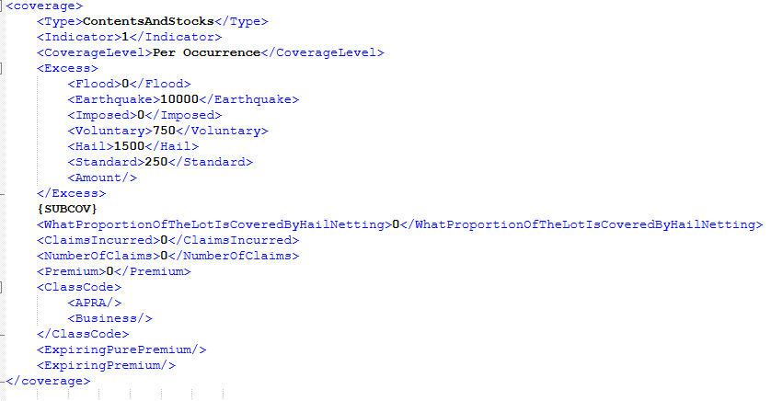 | Excess, Coverage level premiums | AGGNE.DEV.PA_RISK_Building_BC_TARGET | BP_RISK_Building_BC | AGGNE.DEV.PA_BUILDING_BC_PAYLOAD | location_bc_coverage_policyattach | PRD_T5_EXTERNAL_AGGNE.PURE_SNAPSHOT.cbp_riskselection,PRD_T5_EXTERNAL_AGGNE.PURE_SNAPSHOT.cbp_businesscontents,AGGNE.PRD.policyattach_bp | Excess, coverage level premium |  | <coverage> <Type>ContentsAndStocks</Type> <Indicator>1</Indicator> <CoverageLevel>Per Occurrence</CoverageLevel> <Excess> <Flood>0</Flood> <Earthquake>10000</Earthquake> <Imposed>0</Imposed> <Voluntary>750</Voluntary> <Hail>1500</Hail> <Standard>250</Standard> <Amount/> </Excess> {SUBCOV} <WhatProportionOfTheLotIsCoveredByHailNetting>0</WhatProportionOfTheLotIsCoveredByHailNetting> <ClaimsIncurred>0</ClaimsIncurred> <NumberOfClaims>0</NumberOfClaims> <Premium>0</Premium> <ClassCode> <APRA/> <Business/> </ClassCode> <ExpiringPurePremium/> <ExpiringPremium/> </coverage> | <Risk id="rAC515A2817A34B85A97B0E8BE26C2951"> <BuildingId>rAC515A2817A34B85A97B0E8BE26C2951</BuildingId> <LocationId>lFFCBE896C74A4CF6BB8DDD95F89956A0</LocationId> <Type>Building</Type> <Details></Details> <Description></Description> <Location id="lFFCBE896C74A4CF6BB8DDD95F89956A0"> <Description></Description> <Address> <Address1>11 Thornycroft St</Address1> <Address2></Address2> <City>CAMPBELLFIELD</City> <State>VICAU</State> <ZipCode>3061</ZipCode> <Country>AU</Country> </Address> </Location> <Excess type="ContentsAndStocks"> <Total>1000</Total> <Earthquake>10000</Earthquake> <Glass></Glass> <Flood>0</Flood> <CustomerVehicle></CustomerVehicle> <HailDamage>1500</HailDamage> <MaliDamage /> <Wind></Wind> <StolenKey></StolenKey> </Excess> <Coverage id="cAD03A49486EF4557BEDB6A008090DB8C"> <Type>BCSTD</Type> <Deductible type="Total" value="" /> <Limit type="Per Occurrence" value="35000" /> <Premium>0</Premium> </Coverage> <Coverage id="cACAB571A92414993A67A1FDC26416F17"> <Type>BCVIS</Type> <Deductible type="Total" value="" /> <Limit type="Per Occurrence" value="1500000" /> <Premium>0</Premium> </Coverage> <Coverage id="c8BD383275B944ABEB8EA66182D59994C"> <Type>BCHAL</Type> <Deductible type="Total" value="" /> <Limit type="Per Occurrence" value="150000" /> <Premium>0</Premium> </Coverage> </Risk>

Risk_Building_BI

Name | XML Group | Description | Target | ConfigName | Source View | Staging Table | Legacy table | Key Fields | Business Rules | Sample Request XML | Sample Response XML
RISK_Building-->Session_Data_Policy_Line_Risk_Building_BI_Clauses |  | Clause For BI-BusinessInterruption | AGGNE.DEV.PA_RISK_BUILDING_BI_TARGET | BP_LOC_BI_CLAUSE | AGGNE.DEV.PA_LOC_BI_CLAUSE | location_BI_coverage_policyattach | PRD_T5_EXTERNAL_AGGNE.PURE_SNAPSHOT.cbp_riskselection,PRD_T5_EXTERNAL_AGGNE.PURE_SNAPSHOT.cbp_businessinterruption,AGGNE.PRD.policyattach_bp | Type,Description |  | <Clause> <Description>The definition of Business Contents is extended to "xxxxx"</Description> <Type>BC Definition Extension</Type> <DisableFlag>1</DisableFlag> <Indicator>1</Indicator> </Clause> | Not in Attach Response

RISK_Building-->Session_Data_Policy_Line_Risk_Building_BI_Underwriting |  | Clause For BusinessInterruption | AGGNE.DEV.PA_RISK_BUILDING_BI_TARGET | BP_Risk_Building_BI_UW | AGGNE.DEV.PA_RISK_BUILDING_BI_UW | Output_UWAdjust_BSP_PolicyAttach | Adjustments_BSP_Out_PolicyAttach,ExpPremium_BSP_PolicyAttach,Adjustments_BSP_PolicyAttach,PRD_T5_EXTERNAL_AGGNE.PURE_SNAPSHOT.CBP_ADJUSTMENTSTA | Amount,Description |  | <UnderwritingAdjustment> <Type>BusinessInterruption</Type> <IsUWAdjReadOnly>0</IsUWAdjReadOnly> <AdjustmentSelection>0</AdjustmentSelection> <AdjustmentDollarAndPercent>34</AdjustmentDollarAndPercent> <AdjustmentAmount>607.158366</AdjustmentAmount> <RecurringIndicator>0</RecurringIndicator> <UnderwritingDescription>Description</UnderwritingDescription> </UnderwritingAdjustment> | Not in Attach Response

RISK_Building-->Session_Data_Policy_Line_Risk_Building_BI_Subcoverages | 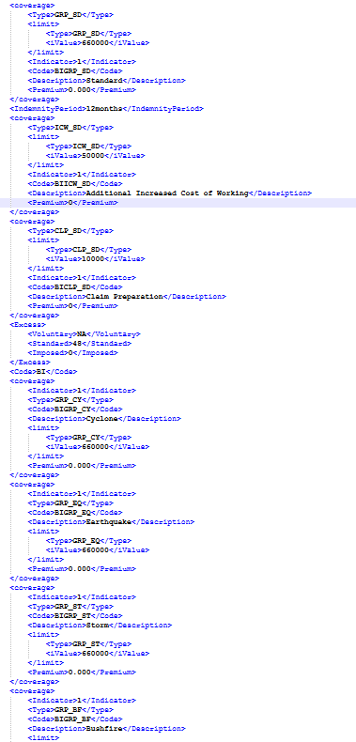 | Sub coverages for BI:BIGRP_SD-Standard BICLP_SD-Claim Preparation BIACR_SD-Accounts Receivable BIICW_SD-Additional Increased Cost of Working BIGRP_CY-Cyclone BIGRP_EQ-Earthquake BIGRP_ST-Storm BIGRP_BF-Bushfire | AGGNE.DEV.PA_RISK_BUILDING_BI_TARGET | BP_Risk_Building_BI_Subcov | AGGNE.DEV.PA_RISK_BUILDING_BI_COVERAGES | location_BI_coverage_policyattach | PRD_T5_EXTERNAL_AGGNE.PURE_SNAPSHOT.cbp_riskselection,PRD_T5_EXTERNAL_AGGNE.PURE_SNAPSHOT.cbp_businessinterruption,AGGNE.PRD.policyattach_bp | SubCoverage,premiums | Response is based on the taken/indicator values | <coverage> <Type>GRP_SD</Type> <limit> <Type>GRP_SD</Type> <iValue>660000</iValue> </limit> <Indicator>1</Indicator> <Code>BIGRP_SD</Code> <Description>Standard</Description> <Premium>0.000</Premium> </coverage> <IndemnityPeriod>12months</IndemnityPeriod> <coverage> <Type>ICW_SD</Type> <limit> <Type>ICW_SD</Type> <iValue>50000</iValue> </limit> <Indicator>1</Indicator> <Code>BIICW_SD</Code> <Description>Additional Increased Cost of Working</Description> <Premium>0</Premium> </coverage> <coverage> <Type>CLP_SD</Type> <limit> <Type>CLP_SD</Type> <iValue>10000</iValue> </limit> <Indicator>1</Indicator> <Code>BICLP_SD</Code> <Description>Claim Preparation</Description> <Premium>0</Premium> </coverage> <Excess> <Voluntary>NA</Voluntary> <Standard>48</Standard> <Imposed>0</Imposed> </Excess> <Code>BI</Code> <coverage> <Indicator>1</Indicator> <Type>GRP_CY</Type> <Code>BIGRP_CY</Code> <Description>Cyclone</Description> <limit> <Type>GRP_CY</Type> <iValue>660000</iValue> </limit> <Premium>0.000</Premium> </coverage> <coverage> <Indicator>1</Indicator> <Type>GRP_EQ</Type> <Code>BIGRP_EQ</Code> <Description>Earthquake</Description> <limit> <Type>GRP_EQ</Type> <iValue>660000</iValue> </limit> <Premium>0.000</Premium> </coverage> <coverage> <Indicator>1</Indicator> <Type>GRP_ST</Type> <Code>BIGRP_ST</Code> <Description>Storm</Description> <limit> <Type>GRP_ST</Type> <iValue>660000</iValue> </limit> <Premium>0.000</Premium> </coverage> <coverage> <Indicator>1</Indicator> <Type>GRP_BF</Type> <Code>BIGRP_BF</Code> <Description>Bushfire</Description> <limit> <Type>GRP_BF</Type> <iValue>660000</iValue> </limit> <Premium>0.000</Premium> </coverage> | <Coverage id="c038B16CC1EB64D36B7A893E0F9A3C2FD"> <Type>BIGRP</Type> <Deductible type="Total" value="" /> <Limit type="Per Occurrence" value="660000" /> <Premium>0.000</Premium> </Coverage> <Coverage id="c5BC8896152F34EF48712CD726D659AFB"> <Type>BIICW</Type> <Deductible type="Total" value="" /> <Limit type="Per Occurrence" value="50000" /> <Premium>0</Premium> </Coverage> <Coverage id="c23BC1963370B427A9284A9BEB3743C73"> <Type>BICLP</Type> <Deductible type="Total" value="" /> <Limit type="Per Occurrence" value="10000" /> <Premium>0</Premium> </Coverage>

RISK_Building-->Session_Data_Policy_Line_Risk_Building_BI | 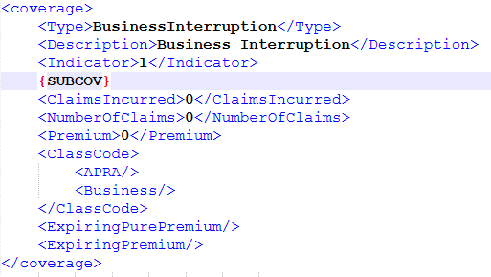 | Excess, Coverage level premiums | AGGNE.DEV.PA_RISK_BUILDING_BI_TARGET | BP_RISK_Building_BI | AGGNE.DEV.PA_BUILDING_BI_PAYLOAD | location_BI_coverage_policyattach | PRD_T5_EXTERNAL_AGGNE.PURE_SNAPSHOT.cbp_riskselection,PRD_T5_EXTERNAL_AGGNE.PURE_SNAPSHOT.cbp_businessinterruption,AGGNE.PRD.policyattach_bp | Excess, coverage level premium |  | <coverage> <Type>BusinessInterruption</Type> <Description>Business Interruption</Description> <Indicator>1</Indicator> {SUBCOV} <ClaimsIncurred>0</ClaimsIncurred> <NumberOfClaims>0</NumberOfClaims> <Premium>0</Premium> <ClassCode> <APRA/> <Business/> </ClassCode> <ExpiringPurePremium/> <ExpiringPremium/> </coverage> | <Excess type="BusinessInterruption"> <Total>48</Total> <Earthquake></Earthquake> <Glass></Glass> <Flood></Flood> <CustomerVehicle></CustomerVehicle> <HailDamage /> <MaliDamage /> <Wind></Wind> <StolenKey></StolenKey> </Excess>

Risk_Building_BG
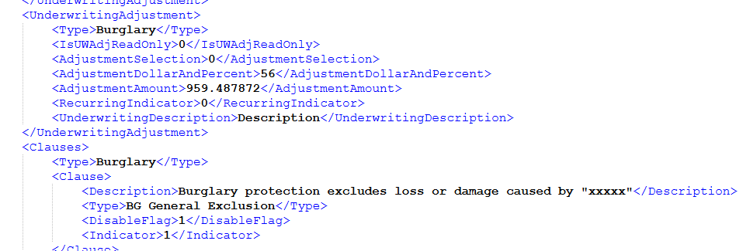
Name | XML Group | Description | Target | ConfigName | Source View | Staging Table | Legacy table | Key Fields | Business Rules | Sample Request XML | Sample Response XML
RISK_Building-->Session_Data_Policy_Line_Risk_Building_BG_Clauses |  | Clause For BG-Burglary | AGGNE.DEV.PA_RISK_BUILDING_BG_TARGET | BP_LOC_BG_CLAUSE | AGGNE.DEV.PA_LOC_BG_CLAUSE | location_BG_coverage_policyattach | PRD_T5_EXTERNAL_AGGNE.PURE_SNAPSHOT.cbp_riskselection,PRD_T5_EXTERNAL_AGGNE.PURE_SNAPSHOT.cbp_burglary,AGGNE.PRD.policyattach_bp | Type,Description |  | <Clause> <Description>The definition of Burglary is extended to "xxxxx"</Description> <Type>BC Definition Extension</Type> <DisableFlag>1</DisableFlag> <Indicator>1</Indicator> </Clause> | Not in Attach Response

RISK_Building-->Session_Data_Policy_Line_Risk_Building_BG_Underwriting |  | Clause For Burglary | AGGNE.DEV.PA_RISK_BUILDING_BG_TARGET | BP_RISK_BUILDING_BG_UW | AGGNE.DEV.PA_RISK_BUILDING_BG_UW | Output_UWAdjust_BSP_PolicyAttach | Adjustments_BSP_Out_PolicyAttach,ExpPremium_BSP_PolicyAttach,Adjustments_BSP_PolicyAttach,PRD_T5_EXTERNAL_AGGNE.PURE_SNAPSHOT.CBP_ADJUSTMENTSTA | Amount,Description |  | <UnderwritingAdjustment> <Type>Burglary</Type> <IsUWAdjReadOnly>0</IsUWAdjReadOnly> <AdjustmentSelection>0</AdjustmentSelection> <AdjustmentDollarAndPercent>34</AdjustmentDollarAndPercent> <AdjustmentAmount>607.158366</AdjustmentAmount> <RecurringIndicator>0</RecurringIndicator> <UnderwritingDescription>Description</UnderwritingDescription> </UnderwritingAdjustment> | Not in Attach Response

RISK_Building-->Session_Data_Policy_Line_Risk_Building_BG_Subcov | 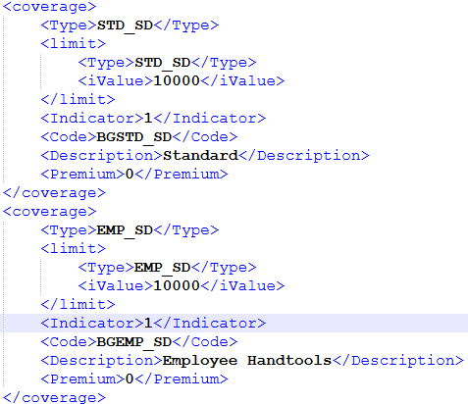 | Sub coverages for BG: BGALC_SD-Alcohol BGCUV_SD-Customer Vehicles / Watercraft BGMFL_SD-Motor Fuels BGPER_SD-Personal Effects BGMVH_SD-Stock Vehicles / Watercraft BGTOB_SD-Tobacco BGSTD_SD-Standard BGEMP_SD-Employee Handtools BGETH_SD-Employee Theft BGTFT_SD-Theft | AGGNE.DEV.PA_RISK_BUILDING_BG_TARGET | BP_Risk_Building_BG_Subcov | AGGNE.DEV.PA_RISK_BUILDING_BG_COVERAGES | location_BG_coverage_policyattach | PRD_T5_EXTERNAL_AGGNE.PURE_SNAPSHOT.cbp_riskselection,PRD_T5_EXTERNAL_AGGNE.PURE_SNAPSHOT.cbp_burglary,AGGNE.PRD.policyattach_bp | SubCoverage,premiums | Response is based on the taken/indicator values | <coverage> <Type>STD_SD</Type> <limit> <Type>STD_SD</Type> <iValue>10000</iValue> </limit> <Indicator>1</Indicator> <Code>BGSTD_SD</Code> <Description>Standard</Description> <Premium>0</Premium> </coverage> <coverage> <Type>EMP_SD</Type> <limit> <Type>EMP_SD</Type> <iValue>10000</iValue> </limit> <Indicator>1</Indicator> <Code>BGEMP_SD</Code> <Description>Employee Handtools</Description> <Premium>0</Premium> </coverage> | <Coverage id="cEBF37372A8AB445CA5776C8A2F8DF08C"> <Type>BGSTD</Type> <Deductible type="Total" value="" /> <Limit type="Per Occurrence" value="10000" /> <Premium>0</Premium> </Coverage> <Coverage id="cEBF1112AA2734EF0BF7A6926AFFBE7C1"> <Type>BGEMP</Type> <Deductible type="Total" value="" /> <Limit type="Per Occurrence" value="10000" /> <Premium>0</Premium> </Coverage>

RISK_Building-->Session_Data_Policy_Line_Risk_Building_BG | 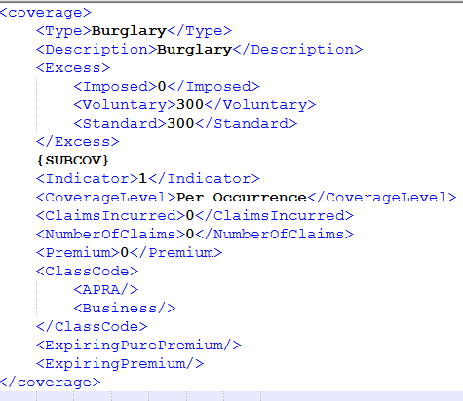 | Excess, Coverage level premiums | AGGNE.DEV.PA_RISK_BUILDING_BG_TARGET | BP_RISK_Building_BG | AGGNE.DEV.PA_BUILDING_BG_PAYLOAD | location_BG_coverage_policyattach | PRD_T5_EXTERNAL_AGGNE.PURE_SNAPSHOT.cbp_riskselection,PRD_T5_EXTERNAL_AGGNE.PURE_SNAPSHOT.cbp_burglary,AGGNE.PRD.policyattach_bp | Excess, coverage level premium |  | <coverage> <Type>Burglary</Type> <Description>Burglary</Description> <Excess> <Imposed>0</Imposed> <Voluntary>300</Voluntary> <Standard>300</Standard> </Excess> {SUBCOV} <Indicator>1</Indicator> <CoverageLevel>Per Occurrence</CoverageLevel> <ClaimsIncurred>0</ClaimsIncurred> <NumberOfClaims>0</NumberOfClaims> <Premium>0</Premium> <ClassCode> <APRA/> <Business/> </ClassCode> <ExpiringPurePremium/> <ExpiringPremium/> </coverage> | <Excess type="Burglary"> <Total>600</Total> <Earthquake></Earthquake> <Glass></Glass> <Flood></Flood> <CustomerVehicle></CustomerVehicle> <HailDamage /> <MaliDamage /> <Wind></Wind> <StolenKey></StolenKey> </Excess>

Risk_Building_MY
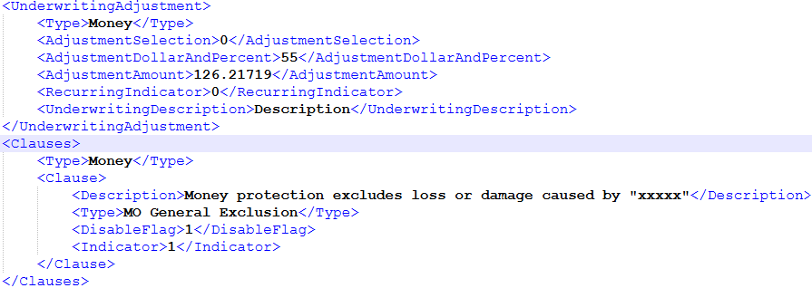
Name | XML Group | Description | Target | ConfigName | Source View | Staging Table | Legacy table | Key Fields | Business Rules | Sample Request XML | Sample Response XML
RISK_Building-->Session_Data_Policy_Line_Risk_Building_MY_Clauses |  | Clause For MY-MONEY | AGGNE.DEV.PA_RISK_BUILDING_Money_TARGET | BP_LOC_MY_CLAUSE | AGGNE.DEV.PA_LOC_MY_CLAUSE | AGGNE.PRD.LOCATION_MONEY_COVERAGE_POLICYATTACH | PRD_T5_EXTERNAL_AGGNE.PURE_SNAPSHOT.cbp_riskselection,PRD_T5_EXTERNAL_AGGNE.PURE_SNAPSHOT.cbp_money,AGGNE.PRD.policyattach_bp | Type,Description |  | <Clause> <Description>The definition of Money is extended to "xxxxx"</Description> <Type>BC Definition Extension</Type> <DisableFlag>1</DisableFlag> <Indicator>1</Indicator> </Clause> | Not in Attach Response

RISK_Building-->Session_Data_Policy_Line_Risk_Building_MY_Underwriting |  | Clause For MONEY | AGGNE.DEV.PA_RISK_BUILDING_Money_TARGET | BP_RISK_BUILDING_MY_UW | AGGNE.DEV.PA_RISK_BUILDING_MY_UW | Output_UWAdjust_BSP_PolicyAttach | Adjustments_BSP_Out_PolicyAttach,ExpPremium_BSP_PolicyAttach,Adjustments_BSP_PolicyAttach,PRD_T5_EXTERNAL_AGGNE.PURE_SNAPSHOT.CBP_ADJUSTMENTSTA | Amount,Description |  | <UnderwritingAdjustment> <Type>Money</Type> <IsUWAdjReadOnly>0</IsUWAdjReadOnly> <AdjustmentSelection>0</AdjustmentSelection> <AdjustmentDollarAndPercent>34</AdjustmentDollarAndPercent> <AdjustmentAmount>607.158366</AdjustmentAmount> <RecurringIndicator>0</RecurringIndicator> <UnderwritingDescription>Description</UnderwritingDescription> </UnderwritingAdjustment> | Not in Attach Response

RISK_Building-->Session_Data_Policy_Line_Risk_Building_MY_Subcov | 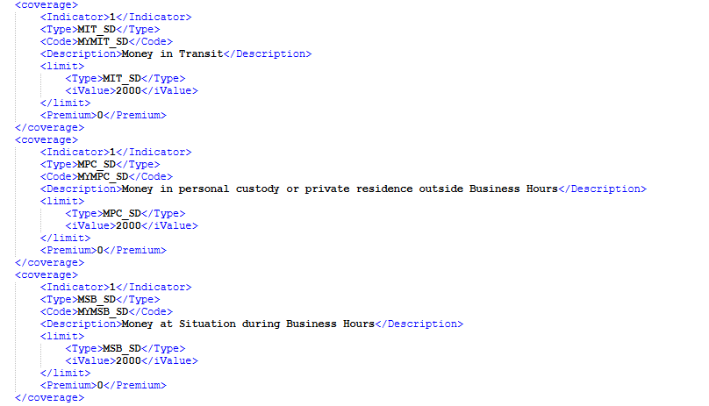 | Sub coverages for MY:MYMSO_SD-Money at the Situation outside Business Hours MYMSS_SD-Money at the Situation held in secure locked safe or strongroom MYMPC_SD-Money in personal custody or private residence outside Business Hours MYMIT_SD-Money in Transit MYEMP_SD-Employee Dishonesty MYMSB_SD-Money at Situation during Business Hours | AGGNE.DEV.PA_RISK_BUILDING_Money_TARGET | BP_Risk_Building_Money_Subcov | AGGNE.DEV.PA_RISK_BUILDING_MONEY_COVERAGES | AGGNE.PRD.LOCATION_MONEY_COVERAGE_POLICYATTACH | PRD_T5_EXTERNAL_AGGNE.PURE_SNAPSHOT.cbp_riskselection,PRD_T5_EXTERNAL_AGGNE.PURE_SNAPSHOT.cbp_money,AGGNE.PRD.policyattach_bp | SubCoverage,premiums | Response is based on the taken/indicator values | <coverage> <Indicator>1</Indicator> <Type>MIT_SD</Type> <Code>MYMIT_SD</Code> <Description>Money in Transit</Description> <limit> <Type>MIT_SD</Type> <iValue>2000</iValue> </limit> <Premium>0</Premium> </coverage> <coverage> <Indicator>1</Indicator> <Type>MPC_SD</Type> <Code>MYMPC_SD</Code> <Description>Money in personal custody or private residence outside Business Hours</Description> <limit> <Type>MPC_SD</Type> <iValue>2000</iValue> </limit> <Premium>0</Premium> </coverage> <coverage> <Indicator>1</Indicator> <Type>MSB_SD</Type> <Code>MYMSB_SD</Code> <Description>Money at Situation during Business Hours</Description> <limit> <Type>MSB_SD</Type> <iValue>2000</iValue> </limit> <Premium>0</Premium> </coverage> | <Coverage id="cAF9ABFF1FD524854BD59612CB4273B66"> <Type>MYMIT</Type> <Deductible type="Total" value="" /> <Limit type="Per Occurrence" value="2000" /> <Premium>0</Premium> </Coverage> <Coverage id="c959BAACD21C640A0B5F2C4792D1D9DAC"> <Type>MYMPC</Type> <Deductible type="Total" value="" /> <Limit type="Per Occurrence" value="2000" /> <Premium>0</Premium> </Coverage> <Coverage id="c900B917900C34F60961211DD51DBD476"> <Type>MYMSB</Type> <Deductible type="Total" value="" /> <Limit type="Per Occurrence" value="2000" /> <Premium>0</Premium> </Coverage>

RISK_Building-->Session_Data_Policy_Line_Risk_Building_MY | 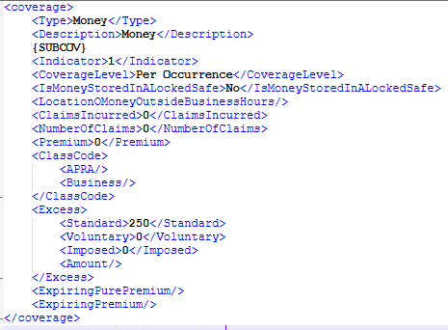 | Excess, Coverage level premiums | AGGNE.DEV.PA_RISK_BUILDING_Money_TARGET | BP_RISK_Building_Money | AGGNE.DEV.PA_BUILDING_MONEY_PAYLOAD | AGGNE.PRD.LOCATION_MONEY_COVERAGE_POLICYATTACH | PRD_T5_EXTERNAL_AGGNE.PURE_SNAPSHOT.cbp_riskselection,PRD_T5_EXTERNAL_AGGNE.PURE_SNAPSHOT.cbp_money,AGGNE.PRD.policyattach_bp | Excess, coverage level premium |  | <coverage> <Type>Money</Type> <Description>Money</Description> {SUBCOV} <Indicator>1</Indicator> <CoverageLevel>Per Occurrence</CoverageLevel> <IsMoneyStoredInALockedSafe>No</IsMoneyStoredInALockedSafe> <LocationOMoneyOutsideBusinessHours/> <ClaimsIncurred>0</ClaimsIncurred> <NumberOfClaims>0</NumberOfClaims> <Premium>0</Premium> <ClassCode> <APRA/> <Business/> </ClassCode> <Excess> <Standard>250</Standard> <Voluntary>0</Voluntary> <Imposed>0</Imposed> <Amount/> </Excess> <ExpiringPurePremium/> <ExpiringPremium/> </coverage> | <Excess type="Money"> <Total>250</Total> <Earthquake></Earthquake> <Glass></Glass> <Flood></Flood> <CustomerVehicle></CustomerVehicle> <HailDamage /> <MaliDamage /> <Wind></Wind> <StolenKey></StolenKey> </Excess>

Risk_Building_EN
Name | XML Group | Description | Target | ConfigName | Source View | Staging Table | Legacy table | Key Fields | Business Rules | Sample Request XML | Sample Response XML
RISK_Building-->Session_Data_Policy_Line_Risk_Building_EN_Clauses |  | Clause For EN-Engineering | AGGNE.DEV.PA_RISK_BUILDING_EN_TARGET | BP_LOC_EN_CLAUSE | AGGNE.DEV.PA_LOC_EN_CLAUSE | AGGNE.PRD.LOCATION_EN_COVERAGE_POLICYATTACH | PRD_T5_EXTERNAL_AGGNE.PURE_SNAPSHOT.cbp_riskselection,PRD_T5_EXTERNAL_AGGNE.PURE_SNAPSHOT.cbp_engineering,AGGNE.PRD.policyattach_bp | Type,Description |  | <Clause> <Description>The definition of Engineering is extended to "xxxxx"</Description> <Type>BC Definition Extension</Type> <DisableFlag>1</DisableFlag> <Indicator>1</Indicator> </Clause> | Not in Attach Response

RISK_Building-->Session_Data_Policy_Line_Risk_Building_EN_Underwriting |  | Clause For Engineering | AGGNE.DEV.PA_RISK_BUILDING_EN_TARGET | BP_RISK_BUILDING_EN_UW | AGGNE.DEV.PA_BUILDING_EN_PAYLOAD | Output_UWAdjust_BSP_PolicyAttach | Adjustments_BSP_Out_PolicyAttach,ExpPremium_BSP_PolicyAttach,Adjustments_BSP_PolicyAttach,PRD_T5_EXTERNAL_AGGNE.PURE_SNAPSHOT.CBP_ADJUSTMENTSTA | Amount,Description |  | <UnderwritingAdjustment> <Type>Engineering</Type> <IsUWAdjReadOnly>0</IsUWAdjReadOnly> <AdjustmentSelection>0</AdjustmentSelection> <AdjustmentDollarAndPercent>34</AdjustmentDollarAndPercent> <AdjustmentAmount>607.158366</AdjustmentAmount> <RecurringIndicator>0</RecurringIndicator> <UnderwritingDescription>Description</UnderwritingDescription> </UnderwritingAdjustment> | Not in Attach Response

RISK_Building-->Session_Data_Policy_Line_Risk_Building_EN_Subcov | 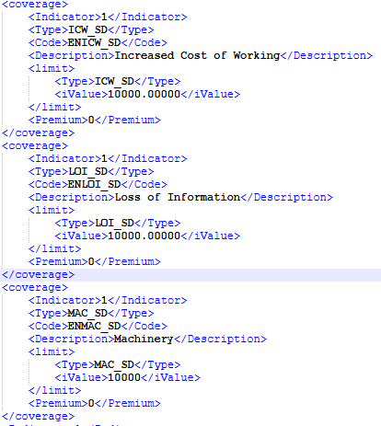 | Sub coverages for EN:ENCWS_SD-Car Wash ENDET_SD-Deterioration of Stock ENICW_SD-Increased Cost of Working ENLOI_SD-Loss of Information ENMAC_SD-Machinery | AGGNE.DEV.PA_RISK_BUILDING_EN_TARGET | BP_Risk_Building_EN_Subcov | AGGNE.DEV.PA_RISK_BUILDING_EN_COVERAGES | AGGNE.PRD.LOCATION_EN_COVERAGE_POLICYATTACH | PRD_T5_EXTERNAL_AGGNE.PURE_SNAPSHOT.cbp_riskselection,PRD_T5_EXTERNAL_AGGNE.PURE_SNAPSHOT.cbp_engineering,AGGNE.PRD.policyattach_bp | SubCoverage,premiums | Response is based on the taken/indicator values | <coverage> <Indicator>1</Indicator> <Type>ICW_SD</Type> <Code>ENICW_SD</Code> <Description>Increased Cost of Working</Description> <limit> <Type>ICW_SD</Type> <iValue>10000.00000</iValue> </limit> <Premium>0</Premium> </coverage> <coverage> <Indicator>1</Indicator> <Type>LOI_SD</Type> <Code>ENLOI_SD</Code> <Description>Loss of Information</Description> <limit> <Type>LOI_SD</Type> <iValue>10000.00000</iValue> </limit> <Premium>0</Premium> </coverage> <coverage> <Indicator>1</Indicator> <Type>MAC_SD</Type> <Code>ENMAC_SD</Code> <Description>Machinery</Description> <limit> <Type>MAC_SD</Type> <iValue>10000</iValue> </limit> <Premium>0</Premium> </coverage> | <Coverage id="c3A8267F41CD94FB99235547A5F137E26"> <Type>ENICW</Type> <Deductible type="Total" value="" /> <Limit type="Per Occurrence" value="10000.00000" /> <Premium>0</Premium> </Coverage> <Coverage id="c3FBAA4F47D4A402EAACB89B7E0AFAC52"> <Type>ENLOI</Type> <Deductible type="Total" value="" /> <Limit type="Per Occurrence" value="10000.00000" /> <Premium>0</Premium> </Coverage> <Coverage id="c4AF6FD6CBEA44CD29B0C356C75C1336E"> <Type>ENMAC</Type> <Deductible type="Total" value="" /> <Limit type="Per Occurrence" value="10000" /> <Premium>0</Premium> </Coverage>

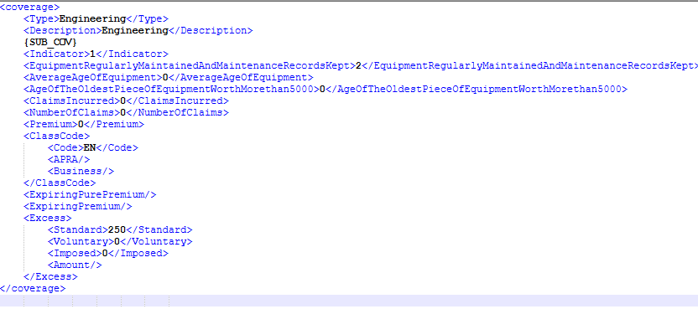
RISK_Building-->Session_Data_Policy_Line_Risk_Building_EN |  | Excess, Coverage level premiums | AGGNE.DEV.PA_RISK_BUILDING_EN_TARGET | BP_RISK_Building_EN | AGGNE.DEV.PA_BUILDING_EN_PAYLOAD | AGGNE.PRD.LOCATION_EN_COVERAGE_POLICYATTACH | PRD_T5_EXTERNAL_AGGNE.PURE_SNAPSHOT.cbp_riskselection,PRD_T5_EXTERNAL_AGGNE.PURE_SNAPSHOT.cbp_engineering,AGGNE.PRD.policyattach_bp | Excess, coverage level premium |  | <coverage> <Type>Engineering</Type> <Description>Engineering</Description> {SUB_COV} <Indicator>1</Indicator> <EquipmentRegularlyMaintainedAndMaintenanceRecordsKept>2</EquipmentRegularlyMaintainedAndMaintenanceRecordsKept> <AverageAgeOfEquipment>0</AverageAgeOfEquipment> <AgeOfTheOldestPieceOfEquipmentWorthMorethan5000>0</AgeOfTheOldestPieceOfEquipmentWorthMorethan5000> <ClaimsIncurred>0</ClaimsIncurred> <NumberOfClaims>0</NumberOfClaims> <Premium>0</Premium> <ClassCode> <Code>EN</Code> <APRA/> <Business/> </ClassCode> <ExpiringPurePremium/> <ExpiringPremium/> <Excess> <Standard>250</Standard> <Voluntary>0</Voluntary> <Imposed>0</Imposed> <Amount/> </Excess> </coverage> | <Excess type="Engineering"> <Total>250</Total> <Earthquake></Earthquake> <Glass></Glass> <Flood></Flood> <CustomerVehicle></CustomerVehicle> <HailDamage /> <MaliDamage /> <Wind></Wind> <StolenKey></StolenKey> </Excess>

Whole_Risk_Building
Name | XML Group | Description | Target | ConfigName | Source View | Staging Table | Legacy table | Key Fields | Business Rules | Sample Request XML | Sample Response XML
RISK_Building-->Session_Data_Policy_Line_Risk_Building_LocationCombine_Underwriting |  | Combined Underwriting adjustments hich are in the coverages should be added here. For all the coverages in a location which have underwriting adjustments should be added here as well | AGGNE.PRD.PA_RISK_BUILDING_FINAL_TARGET | BP_RISK_LOCATION_UW_COMBINE | AGGNE.PRD.PA_RISK_LOCATION_UW_COMBINE | Output_UWAdjust_BSP_PolicyAttach | Adjustments_BSP_Out_PolicyAttach,ExpPremium_BSP_PolicyAttach,Adjustments_BSP_PolicyAttach,PRD_T5_EXTERNAL_AGGNE.PURE_SNAPSHOT.CBP_ADJUSTMENTSTA | Amount,Description |  | <UnderwritingAdjustment> <Type>Property</Type> <AdjustmentSelection>Percent</AdjustmentSelection> <AdjustmentDollarAndPercent>0</AdjustmentDollarAndPercent> <AdjustmentAmount>0</AdjustmentAmount> <RecurringIndicator>1</RecurringIndicator> <UnderwritingDescription>fbtrbrgbr</UnderwritingDescription> </UnderwritingAdjustment> | Not in Attach Response

RISK_Building-->Session_Data_Policy_Line_Risk_Building | 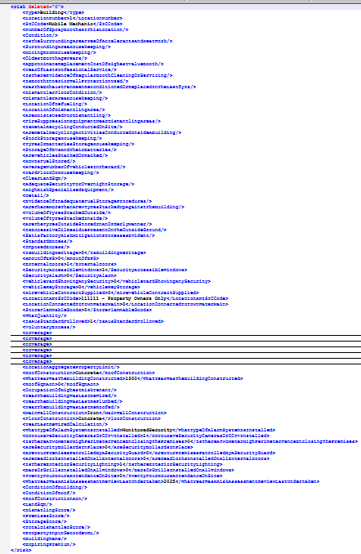 | This Is the whole Risk Node Of the Building (Location) Which have all the coverages in it and also the other information regarding the building Note: This risk node have anzsic code Where depending on the code, there will be questions in the UI. Those questions also will be addressed in this Node. | AGGNE.PRD.PA_RISK_BUILDING_FINAL_TARGET | BP_RISK_Building | AGGNE.PRD.PA_RISK_BUILDING_FINAL | AGGNE.PRD.Location_01_POLICYATTACH | AGGNE.PRD.policyattach_bp,PRD_T5_EXTERNAL_AGGNE.risk.qu_heavydutydiesel,PRD_T5_EXTERNAL_AGGNE.risk.qu_tyredealer,PRD_T5_EXTERNAL_AGGNE.risk.qu_smashrepairer,PRD_T5_EXTERNAL_AGGNE.risk.qu_dismantler |  |  | <risk deleted="0"> <Type>Building</Type> <SICCode>General Mechanical Workshop</SICCode> <LocationNumber>1</LocationNumber> <NumberOfSprayBoothsAtThisLocation/> <Condition/> <IsTheSurroundingAreaFreeOfAccelerantsAndHeatWork/> <SurroundingAreaHousekeeping/> <MixingRoomHousekeeping/> <OldestBoothAgeYears/> <ApproximateReplacementCostOfHighestValueBooth/> <YearOfLastProfessionalService/> <IsThereEvidenceOfRegularBoothCleaningOrServicing/> <IsBoothInteriorWallProtectionUsed/> <HasTheExhaustFanBeenReconditionedOrReplacedInTheLast5yrs/> <DismantlerFloorCondition/> <DismantlerAreaHousekeeping/> <LocationOfDefueling/> <LocationOfDismantlingArea/> <AreHoistsUsedForDismantling/> <FireSuppressionEquipmentNearDismantlingAreas/> <IsMetalRecyclingConductedOnSite/> <AreMetalRecyclingActivitiesConductedInsideABuilding/> <StockStorageHousekeeping/> <TyresOrBatteriesStorageHousekeeping/> <StorageOfEVsAndTheirBatteries/> <AreVehiclesStackedOrRacked/> <HowIsFuelStored/> <AverageNumberOfVehiclesInTheYard/> <YardFloorOrHousekeeping/> <ClearLandSqm/> <AdequateSecurityForOvernightStorage/> <HighRiskSpecialisedEquipment/> <Detail/> <EvidenceOfInadequateFuelStorageProcedures/> <AreThereMoreThanAFewTyresStackedUpAgainstTheBuilding/> <VolumeOfTyresStackedOutside/> <VolumeOfTyresStackedInside/> <AreTheTyresOutsideStoredInAnOrderlyManner/> <IsExcessiveOilResiduePresentOnTheOutsideGround/> <SatisfactoryRiskMitigationProcessesEvident/> <Embargoes> <MatchingRestrictions/> </Embargoes> <StandardExcess/> <ImposedExcess/> <Details>Building 1</Details> <IsBuildingHeritage>0</IsBuildingHeritage> <AmoutOfEPS>0</AmoutOfEPS> <ExternalDoors>1</ExternalDoors> <SecurityAccessibleWindows>1</SecurityAccessibleWindows> <SecurityAlarm>0</SecurityAlarm> <VehicleDetails>Vehicle 1</VehicleDetails> <VehicleYardShowingAnySecurity>0</VehicleYardShowingAnySecurity> <VehicleKeyStorage>0</VehicleKeyStorage> <HireV | <Risk id="rE191792D8F8543A8A4653E87C490117A"> <BuildingId>rE191792D8F8543A8A4653E87C490117A</BuildingId> <LocationId>l061C4B21C9294CD7BB89D6B90E790C40</LocationId> <Type>Building</Type> <Details/> <Description/> <Location id="l061C4B21C9294CD7BB89D6B90E790C40"> <Description/> <Address> <Address1>799 Tremaine Avenue</Address1> <Address2/> <City>Roslyn</City> <State>NZ</State> <ZipCode>4414</ZipCode> <Country>NZ</Country> </Address> </Location> <Excess type="Building"> <Total>1500</Total> <Earthquake>410750</Earthquake> <Glass>500</Glass> <Flood>1000</Flood> <CustomerVehicle/> <HailDamage/> <MaliDamage/> <Wind/> <StolenKey/> </Excess> <Excess type="Engineering"> <Total>500</Total> <Earthquake/> <Glass/> <Flood/> <CustomerVehicle/> <HailDamage/> <MaliDamage/> <Wind/> <StolenKey/> </Excess> <Coverage id="cEEE214431A9F416890D790024D8610A2"> <Type>BBLND</Type> <Deductible type="Total" value=""/> <Limit type="Per Occurrence" value="250000"/> <Premium>0.000</Premium> </Coverage> <Coverage id="c85692EAC77544E7496C60EEC9C3B686F"> <Type>BBSTD</Type> <Deductible type="Total" value=""/> <Limit type="Per Occurrence" value="8215000"/> <Premium>5381.863</Premium> </Coverage> <Coverage id="c71C1CD30D82A42CCB5D964DFC9B3BEF0"> <Type>BBACC</Type> <Deductible type="Total" value=""/> <Limit type="Per Occurrence" value="8215000"/> <Premium>241.000</Premium> </Coverage> <Coverage id="cC16983155F4A48A290B6FFD86832E510"> <Type>BBGLS</Type> <Deductible type="Total" value=""/> <Limit type="Per Occurrence" value="15"/> <Premium>189.000</Premium> </Coverage> <Coverage id="c059

Risk_CommercialVehicle
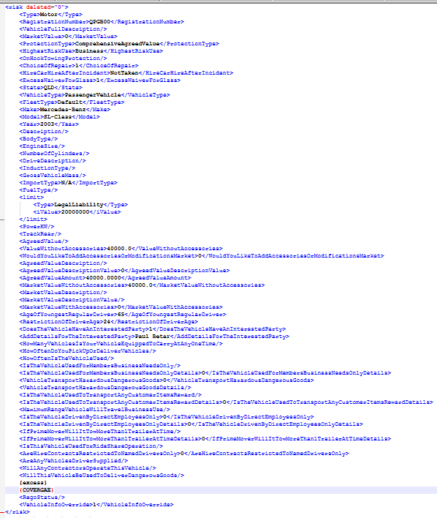
Name | XML Group | Description | Target | ConfigName | Source View | Staging Table | Legacy table | Key Fields | Business Rules | Sample Request XML | Sample Response XML
RISK_Building-->Session_Data_Policy_Line_Risk_CommercialVehicle_Clauses |  | Clause For Commercial Vehicle | AGGNE.DEV.CV_FLEET_VEHICLE_TARGET_POLICYATTACH | BP_CV_Motor_Clauses | AGGNE.DEV.CV_MOTOR_CLAUSE_POLICYATTACH | AGGNE.PRD.CM_03_POLICYATTACH | AGGNE.PRD.CM_02_POLICYATTACH,AGGNE.PRD.CM_01_POLICYATTACH, PRD_T5_EXTERNAL_AGGNE.RISK.qu_cmheavy, PRD_T5_EXTERNAL_AGGNE.RISK.qu_cmhire , PRD_T5_EXTERNAL_AGGNE.RISK.QU_CMDELIVERY, PRD_T5_EXTERNAL_AGGNE.RISK.schedule_clauses_template | Type,Description |  | <Clauses> <Type>Motor</Type> <ClausesSelection>{DCCLAUSETYPE}</ClausesSelection> <SelectClauseDescription>{CLAUSEDESCRIPTION}</SelectClauseDescription> </Clauses> | Not in Attach Response

RISK_Building-->Session_Data_Policy_Line_Risk_CommercialVehicle_Underwiritngadjustments |  | Underwiritngadjustments For Commercial Vehicle | AGGNE.DEV.CV_FLEET_VEHICLE_TARGET_POLICYATTACH | BP_CV_Motor_UW | AGGNE.DEV.CV_MOTOR_UW_POLICYATTACH | AGGNE.PRD.CM_03_POLICYATTACH | AGGNE.PRD.CM_02_POLICYATTACH,AGGNE.PRD.CM_01_POLICYATTACH, PRD_T5_EXTERNAL_AGGNE.RISK.qu_cmheavy, PRD_T5_EXTERNAL_AGGNE.RISK.qu_cmhire , PRD_T5_EXTERNAL_AGGNE.RISK.QU_CMDELIVERY, PRD_T5_EXTERNAL_AGGNE.RISK.schedule_clauses_template | Type,Description |  | <UnderwritingAdjustment> <Type>Motor</Type> <Recurring> <Indicator>{RECURRINGIND}</Indicator> </Recurring> <UnderwritingDescription>{UWADJUSTNOTE}</UnderwritingDescription> <AdjustmentSelection></AdjustmentSelection> <AdjustmentDollarAndPercent>{ADJUSTMENTTYPE}</AdjustmentDollarAndPercent> <AdjustmentAmount>{UWADJUSTAMOUNT}</AdjustmentAmount> </UnderwritingAdjustment> | Not in Attach Response

RISK_Building-->Session_Data_Policy_Line_Risk_CommercialVehicle_Excess |  | Excess For Commercial Vehicle | AGGNE.DEV.CV_FLEET_VEHICLE_TARGET_POLICYATTACH | BP_CV_MOTOR_EXCESS | AGGNE.DEV.CV_MOTOR_EXCESS_POLICYATTACH | AGGNE.PRD.CM_03_POLICYATTACH | AGGNE.PRD.CM_02_POLICYATTACH,AGGNE.PRD.CM_01_POLICYATTACH, PRD_T5_EXTERNAL_AGGNE.RISK.qu_cmheavy, PRD_T5_EXTERNAL_AGGNE.RISK.qu_cmhire , PRD_T5_EXTERNAL_AGGNE.RISK.QU_CMDELIVERY, PRD_T5_EXTERNAL_AGGNE.RISK.schedule_clauses_template | EXCESS |  | <Excess> <OnHook>2500</OnHook> <HireVehicle>0</HireVehicle> <Standard>700</Standard> <Voluntary>0</Voluntary> <Imposed>200</Imposed> <AgeLessThan20>850</AgeLessThan20> <AgeBetween20To21>650</AgeBetween20To21> <AgeBetween22To25>400</AgeBetween22To25> </Excess> | <Excess type="CommercialVehicle"> <Total>900</Total> <OnHookTowing>2500</OnHookTowing> <Age> <AgeOfYoungestRegularDriver>65</AgeOfYoungestRegularDriver> <RestrictionOfDriverAge>25</RestrictionOfDriverAge> <AgeLessThan20>850</AgeLessThan20> <AgeBetween20To21>650</AgeBetween20To21> <AgeBetween22To25>400</AgeBetween22To25> </Age> </Excess>

RISK_Building-->Session_Data_Policy_Line_Risk_CommercialVehicle_SubCov |  | SubCov For Commercial Vehicle Subcoverages include:CMCMP_SD-Comprehensive Property CMCOR_SD-Choice of Repairer CMFTL_SD-Fire & Theft excluding Liability CMLIA_SD-Comprehensive Liability CMOHL_SD-On Hook Liability CMPCH_SD-Car Hire CMTFT_SD-Third Party Fire & Theft CMTPO_SD-Third Party Only CMULG_SD-Unlimited Glass | AGGNE.DEV.CV_FLEET_VEHICLE_TARGET_POLICYATTACH | BP_CV_Vehicle_SubCov | AGGNE.DEV.CV_COVERAGE_VEHICLE_SUBCOV_POLICYATTACH | AGGNE.PRD.CM_03_POLICYATTACH | AGGNE.PRD.CM_02_POLICYATTACH,AGGNE.PRD.CM_01_POLICYATTACH, PRD_T5_EXTERNAL_AGGNE.RISK.qu_cmheavy, PRD_T5_EXTERNAL_AGGNE.RISK.qu_cmhire , PRD_T5_EXTERNAL_AGGNE.RISK.QU_CMDELIVERY, PRD_T5_EXTERNAL_AGGNE.RISK.schedule_clauses_template | SUBCOV, Limit |  | <coverage> <Indicator>1</Indicator> <limit> <Type>COR_SD</Type> <iValue>1.00000</iValue> </limit> <Type>COR_SD</Type> <Code>CMCOR_SD</Code> <Description>Choice of Repairer</Description> <Premium/> </coverage> <coverage> <Indicator>1</Indicator> <limit> <Type>CMP_SD</Type> <iValue>40000.00000</iValue> </limit> <Type>CMP_SD</Type> <Code>CMCMP_SD</Code> <Description>Comprehensive Property</Description> <Premium/> </coverage> <coverage> <Indicator>1</Indicator> <limit> <Type>LIA_SD</Type> <iValue>40000.00000</iValue> </limit> <Type>LIA_SD</Type> <Code>CMLIA_SD</Code> <Description>Comprehensive Liability</Description> <Premium/> </coverage> <coverage> <Indicator>1</Indicator> <limit> <Type>ULG_SD</Type> <iValue>1.00000</iValue> </limit> <Type>ULG_SD</Type> <Code>CMULG_SD</Code> <Description>Unlimited Glass</Description> <Premium/> </coverage> | <Coverage id="c23181FC7D7364E288E237BA0BF8EF64C"> <Type>CMCOR</Type> <Deductible type="Total" value="" /> <Limit type="Per Occurrence" value="0" /> <Premium>0</Premium> </Coverage> <Coverage id="c099C42AA913C407385B29FA370D16F57"> <Type>CMCMP</Type> <Deductible type="Total" value="" /> <Limit type="Per Occurrence" value="40000.00000" /> <Premium>0</Premium> </Coverage> <Coverage id="cE5B8726A09C34AEDB76D45B69681CDC9"> <Type>CMLIA</Type> <Deductible type="Total" value="" /> <Limit type="Per Occurrence" value="20000000" /> <Premium>0</Premium> </Coverage> <Coverage id="c52059D3C22C4470C84B16A32AD149381"> <Type>CMULG</Type> <Deductible type="Total" value="" /> <Limit type="Per Occurrence" value="0" /> <Premium>0</Premium> </Coverage>

RISK_Building-->Session_Data_Policy_Line_Risk_CommercialVehicle_Coverage |  | Coverage info with subcoverage | AGGNE.DEV.CV_FLEET_VEHICLE_TARGET_POLICYATTACH | BP_CV_vehicle_Cov | AGGNE.DEV.CV_COVERAGE_VEHICLE_COV_POLICYATTACH | AGGNE.PRD.CM_03_POLICYATTACH | AGGNE.PRD.CM_02_POLICYATTACH,AGGNE.PRD.CM_01_POLICYATTACH, PRD_T5_EXTERNAL_AGGNE.RISK.qu_cmheavy, PRD_T5_EXTERNAL_AGGNE.RISK.qu_cmhire , PRD_T5_EXTERNAL_AGGNE.RISK.QU_CMDELIVERY, PRD_T5_EXTERNAL_AGGNE.RISK.schedule_clauses_template | Coverage with subcov |  | <coverage> <Type>CommercialVehicle</Type> <limit> <Type>CommercialVehicle</Type> <iValue>40000.000</iValue> </limit> <Indicator>1</Indicator> <ClassCode> <APRA>CMV</APRA> <Business>CMV</Business> </ClassCode> <Code>CM</Code> <ClaimsIncurred/> <NumberOfClaims/> <Premium/> {SUBCOV} </coverage> | <Coverage id="c23181FC7D7364E288E237BA0BF8EF64C"> <Type>CMCOR</Type> <Deductible type="Total" value="" /> <Limit type="Per Occurrence" value="0" /> <Premium>0</Premium> </Coverage> <Coverage id="c099C42AA913C407385B29FA370D16F57"> <Type>CMCMP</Type> <Deductible type="Total" value="" /> <Limit type="Per Occurrence" value="40000.00000" /> <Premium>0</Premium> </Coverage> <Coverage id="cE5B8726A09C34AEDB76D45B69681CDC9"> <Type>CMLIA</Type> <Deductible type="Total" value="" /> <Limit type="Per Occurrence" value="20000000" /> <Premium>0</Premium> </Coverage> <Coverage id="c52059D3C22C4470C84B16A32AD149381"> <Type>CMULG</Type> <Deductible type="Total" value="" /> <Limit type="Per Occurrence" value="0" /> <Premium>0</Premium> </Coverage>

RISK_Building-->Session_Data_Policy_Line_Risk_CommercialVehicle |  | Vehicle details along with the abve nodes | AGGNE.DEV.CV_FLEET_VEHICLE_TARGET_POLICYATTACH | BP_CV_vehicle_Cov | AGGNE.DEV.CV_COVERAGE_VEHICLE_COV_POLICYATTACH | AGGNE.PRD.CM_03_POLICYATTACH | AGGNE.PRD.CM_02_POLICYATTACH,AGGNE.PRD.CM_01_POLICYATTACH, PRD_T5_EXTERNAL_AGGNE.RISK.qu_cmheavy, PRD_T5_EXTERNAL_AGGNE.RISK.qu_cmhire , PRD_T5_EXTERNAL_AGGNE.RISK.QU_CMDELIVERY, PRD_T5_EXTERNAL_AGGNE.RISK.schedule_clauses_template | Vehicle details along with the abve nodes |  | <risk deleted="0"> <Type>Motor</Type> <RegistrationNumber>QPGB00</RegistrationNumber> <VehicleFullDescription/> <MarketValue>0</MarketValue> <ProtectionType>ComprehensiveAgreedValue</ProtectionType> <HighestRiskUse>Business</HighestRiskUse> <OnHookTowingProtection/> <ChoiceOfRepair>1</ChoiceOfRepair> <HireCarHireAfterIncident>NotTaken</HireCarHireAfterIncident> <ExcessWaiverForGlass>1</ExcessWaiverForGlass> <State>QLD</State> <VehicleType>PassengerVehicle</VehicleType> <FleetType>Default</FleetType> <Make>Mercedes-Benz</Make> <Model>SL-Class</Model> <Year>2003</Year> <Description/> <BodyType/> <EngineSize/> <NumberOfCylinders/> <DriveDescription/> <InductionType/> <GrossVehicleMass/> <ImportType>N/A</ImportType> <FuelType/> <limit> <Type>LegalLiability</Type> <iValue>20000000</iValue> </limit> <PowerKW/> <TrackRear/> <AgreedValue/> <ValueWithoutAccessories>40000.0</ValueWithoutAccessories> <WouldYouLikeToAddAccessoriesOrModificationsMarket>0</WouldYouLikeToAddAccessoriesOrModificationsMarket> <AgreedValueDescription/> <AgreedValueDescriptionValue>0</AgreedValueDescriptionValue> <AgreedValueAmount>40000.0000</AgreedValueAmount> <MarketValueWithoutAccessories>40000.0</MarketValueWithoutAccessories> <MarketValueDescription/> <MarketValueDescriptionValue/> <MarketValueWithAccessories>0</MarketValueWithAccessories> <AgeOfYoungestRegularDriver>65</AgeOfYoungestRegularDriver> <RestrictionOfDriverAge>24</RestrictionOfDriverAge> <DoesTheVehicleHaveAnInterestedParty>1</DoesTheVehicleHaveAnInterestedParty> <AddDetailsForTheInterestedParty>Paul Betar</AddDetailsForTheInterestedParty> <HowManyVehiclesIsYourVehicleEquippedToCarryAtAnyOneTime/> <HowOftenDoYouPickUpOrDeliverVehicles/> <HowOftenIsTheVehicleUsed/> <IsTheVehicleUsedForMembersBusinessNeedsOnly/> <IsTheVehicleUsedForMembersBusinessNeedsOnlyDetails>0</IsTheVehicleUsedForMembersBusinessNeedsOnlyDetails> <VehicleTranspor | <Risk id="rEBE27CBD0FDC41D0B35D4A1B32603A2E"> <Type>Motor</Type> <RegistrationNumber>QPGB00</RegistrationNumber> <CoverType></CoverType> <VIN></VIN> <State>QLD</State> <BodyType></BodyType> <Make>Mercedes-Benz</Make> <Model>SL-Class</Model> <Year>2003</Year> <Description></Description> <TotalValue></TotalValue> <Usage></Usage> <VehicleType>PassengerVehicle</VehicleType> <Mileage></Mileage> <VehicleFullDescription></VehicleFullDescription> <WindscreenExtensionBenefitUsed></WindscreenExtensionBenefitUsed> <AdditonalParty>Paul Betar</AdditonalParty> <Excess type="CommercialVehicle"> <Total>900</Total> <OnHookTowing>2500</OnHookTowing> <Age> <AgeOfYoungestRegularDriver>65</AgeOfYoungestRegularDriver> <RestrictionOfDriverAge>25</RestrictionOfDriverAge> <AgeLessThan20>850</AgeLessThan20> <AgeBetween20To21>650</AgeBetween20To21> <AgeBetween22To25>400</AgeBetween22To25> </Age> </Excess> <Coverage id="c23181FC7D7364E288E237BA0BF8EF64C"> <Type>CMCOR</Type> <Deductible type="Total" value="" /> <Limit type="Per Occurrence" value="0" /> <Premium>0</Premium> </Coverage> <Coverage id="c099C42AA913C407385B29FA370D16F57"> <Type>CMCMP</Type> <Deductible type="Total" value="" /> <Limit type="Per Occurrence" value="40000.00000" /> <Premium>0</Premium> </Coverage> <Coverage id="cE5B8726A09C34AEDB76D45B69681CDC9"> <Type>CMLIA</Type> <Deductible type="Total" value="" /> <Limit type="Per Occurrence" value="20000000" /> <Premium>0</Premium> </Coverage> <Coverage id="c52059D3C22C4470C84B16A32AD149381"> <Type>CMULG</Type> <Deductible type="Total" value="" /> <Limit type="Per Occurrence" value

Risk_FleetVehicle
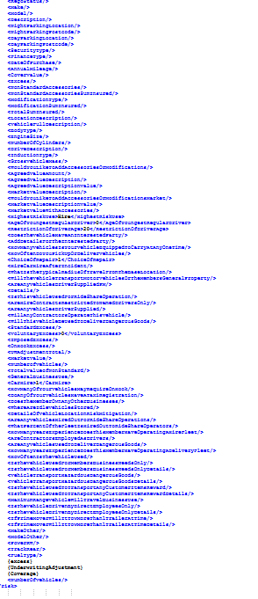
Name | XML Group | Description | Target | ConfigName | Source View | Staging Table | Legacy table | Key Fields | Business Rules | Sample Request XML | Sample Response XML
RISK_Building-->Session_Data_Policy_Line_Risk_Fleet_Clauses |  | Clause For Fleet Vehicle | AGGNE.DEV.RISK_FLEET_VEHICLE_TARGET_POLICY_ATTACH | BP_FL_Motor_Clauses | AGGNE.DEV.FL_MOTOR_CLAUSE_POLICYATTACH | AGGNE.PRD.VehicleCoverages_FleetVehicle_Policyattach |  | Type,Description |  | <Clauses> <Type>Motor</Type> <ClausesSelection>{DCCLAUSETYPE}</ClausesSelection> <SelectClauseDescription>{CLAUSEDESCRIPTION}</SelectClauseDescription> </Clauses> | Not in Attach Response

RISK_Building-->Session_Data_Policy_Line_Risk_FleetVehicle_Underwiritngadjustments |  | Underwiritngadjustments For Fleet Vehicle | AGGNE.DEV.RISK_FLEET_VEHICLE_TARGET_POLICY_ATTACH | BP_FL_Motor_UW | AGGNE.DEV.FL_MOTOR_UW_POLICYATTACH | AGGNE.PRD.VehicleCoverages_FleetVehicle_Policyattach |  | Type,Description |  | <UnderwritingAdjustment> <Type>Motor</Type> <Recurring> <Indicator>{RECURRINGIND}</Indicator> </Recurring> <UnderwritingDescription>{UWADJUSTNOTE}</UnderwritingDescription> <AdjustmentSelection></AdjustmentSelection> <AdjustmentDollarAndPercent>{ADJUSTMENTTYPE}</AdjustmentDollarAndPercent> <AdjustmentAmount>{UWADJUSTAMOUNT}</AdjustmentAmount> </UnderwritingAdjustment> | Not in Attach Response

RISK_Building-->Session_Data_Policy_Line_Risk_FleetVehicle_Excess |  | Excess For Fleet Vehicle | AGGNE.DEV.RISK_FLEET_VEHICLE_TARGET_POLICY_ATTACH | BP_FL_MOTOR_EXCESS | AGGNE.DEV.FL_MOTOR_EXCESS_POLICYATTACH | AGGNE.PRD.VehicleCoverages_FleetVehicle_Policyattach |  | EXCESS |  | <Excess> <OnHook>2500</OnHook> <HireVehicle>0</HireVehicle> <Standard>700</Standard> <Voluntary>0</Voluntary> <Imposed>1800</Imposed> <AgeLessThan20>850</AgeLessThan20> <AgeBetween20To21>650</AgeBetween20To21> <AgeBetween22To25>400</AgeBetween22To25> </Excess> | <Excess type="FleetVehicle"> <Total>2500</Total> <OnHookTowing>2500</OnHookTowing> <Age> <AgeOfYoungestRegularDriver>0</AgeOfYoungestRegularDriver> <RestrictionOfDriverAge>21</RestrictionOfDriverAge> <AgeLessThan20>850</AgeLessThan20> <AgeBetween20To21>650</AgeBetween20To21> <AgeBetween22To25>400</AgeBetween22To25> </Age> </Excess>

RISK_Building-->Session_Data_Policy_Line_Risk_FleetVehicle_SubCov |  | Limits,Subcoverages for Fleet vehicles. Subcov include:FLCMP_SD-Comprehensive Property FLCOR_SD-Choice of Repairer FLFTL_SD-Fire & Theft FLLIA_SD-Comprehensive Liability FLOHL_SD-On Hook Liability FLTCH_SD-Car Hire FLTFT_SD-Third Party Fire & Theft FLTPO_SD-Third Party Only FLULG_SD-Unlimited Glass | AGGNE.DEV.RISK_FLEET_VEHICLE_TARGET_POLICY_ATTACH | BP_fleet_coverage_Vehicle_SubCov | AGGNE.DEV.FLEET_VEHICLE_SUBCOVERAGES_POLICYATTACH | AGGNE.PRD.VehicleCoverages_FleetVehicle_Policyattach |  | Subcoverages, limit |  | <coverage> <Indicator>1</Indicator> <limit> <Type>TCH_SD</Type> <iValue>1.00000</iValue> </limit> <Type>TCH_SD</Type> <Code>FLTCH_SD</Code> <Description>Car Hire</Description> <Premium>6675.000000000000</Premium> </coverage> <coverage> <Indicator>1</Indicator> <limit> <Type>LIA_SD</Type> <iValue>0.00000</iValue> </limit> <Type>LIA_SD</Type> <Code>FLLIA_SD</Code> <Description>Comprehensive Liability</Description> <Premium>29082.333333330000</Premium> </coverage> <coverage> <Indicator>1</Indicator> <limit> <Type>ULG_SD</Type> <iValue>1.00000</iValue> </limit> <Type>ULG_SD</Type> <Code>FLULG_SD</Code> <Description>Unlimited Glass</Description> <Premium>2289.000000000000</Premium> </coverage> <coverage> <Indicator>1</Indicator> <limit> <Type>COR_SD</Type> <iValue>1.00000</iValue> </limit> <Type>COR_SD</Type> <Code>FLCOR_SD</Code> <Description>Choice of Repairer</Description> <Premium>4662.000000000000</Premium> </coverage> <coverage> <Indicator>1</Indicator> <limit> <Type>CMP_SD</Type> <iValue>0.00000</iValue> </limit> <Type>CMP_SD</Type> <Code>FLCMP_SD</Code> <Description>Comprehensive Property</Description> <Premium>58164.666666670000</Premium> </coverage> | <Coverage id="cDC345D037F13492D90F1BD4918B37048"> <Type>FLLIA</Type> <Deductible type="Total" value="" /> <Limit type="Per Occurrence" value="20000000" /> <Premium>29082.333333330000</Premium> </Coverage> <Coverage id="c167194E8E9194C13A6C9D40C62FDB215"> <Type>FLTCH</Type> <Deductible type="Total" value="" /> <Limit type="Per Occurrence" value="0" /> <Premium>6675.000000000000</Premium> </Coverage> <Coverage id="c121FE735B7B04DF78AE267841BBBB6D3"> <Type>FLCMP</Type> <Deductible type="Total" value="" /> <Limit type="Per Occurrence" value="0" /> <Premium>58164.666666670000</Premium> </Coverage> <Coverage id="c7150E78E810E4171A09CB27A9BB78AC7"> <Type>FLULG</Type> <Deductible type="Total" value="" /> <Limit type="Per Occurrence" value="0" /> <Premium>2289.000000000000</Premium> </Coverage> <Coverage id="cA0C484CE711D411AA42112E1F557332A"> <Type>FLCOR</Type> <Deductible type="Total" value="" /> <Limit type="Per Occurrence" value="0" /> <Premium>4662.000000000000</Premium> </Coverage>

RISK_Building-->Session_Data_Policy_Line_Risk_FleetVehicle_Coverage |  | Coverage includes subcov tag AND VEHICLE DETAILS | AGGNE.DEV.RISK_FLEET_VEHICLE_TARGET_POLICY_ATTACH | BP_Fleet_Vehicle_coverage | AGGNE.DEV.FLEET_VEHICLE_VIEW_POLICYATTACH | AGGNE.PRD.VehicleCoverages_FleetVehicle_Policyattach |  | coverages consisting of the above subcoverages AND VEHICLE DETAILS |  | <Vehicle> <Type>FleetVehicle</Type> <State>{REGISTRATIONSTATE}</State> <Year>{YEAR}</Year> <Make>{MAKE}</Make> <Model>{MODEL}</Model> <ImportType>N/A</ImportType> <Segment>car</Segment> <IsUploadDataReadOnly>1</IsUploadDataReadOnly> <RegoStatus/> <Status>0</Status> <ReadOnlyFlagForFleetData>1</ReadOnlyFlagForFleetData> <coverage> <Type>FleetVehicle</Type> <Indicator>1</Indicator> <limit> <Type>FleetVehicle</Type> <iValue>0</iValue> </limit> <ClassCode> <APRA>CMV</APRA> <Business>CMV</Business> </ClassCode> <Code>FL</Code> <Description>Fleet Vehicle</Description> {SUBCOV_XML} </coverage> <Registration>{REGISTRATIONNUMBER}</Registration> <VehicleDescription>{VEHICLEDESCRIPTION}</VehicleDescription> <MarketValue/> <HighestRiskUse>{HIGHESTRISKUSE}</HighestRiskUse> <VehicleAccessoriesDescription>{ACCESSORIESDESCRIPTION}</VehicleAccessoriesDescription> <VehicleAccessoriesValue>{ACCESSORIESVALUE_FLEET}</VehicleAccessoriesValue> <AdditonalParty>{ADDITONALPARTY}</AdditonalParty> <FleetVehicleOverrideInfo>0</FleetVehicleOverrideInfo> <Description>{DESCRIPTION}</Description> <BodyType>{BODYTYPE}</BodyType> <EngineSize>{ENGINESIZE}</EngineSize> <NumberOfCylinders>{NUMBEROFCYLINDERS}</NumberOfCylinders> <InductionType>{INDUCTIONTYPE}</InductionType> <GrossVehicleMass>{GROSSVEHICLEMASS}</GrossVehicleMass> <AddAccessoriesOrModification>{ADDACCESSORIES}</AddAccessoriesOrModification> <MarketValueWithAccessories>{ACCESSORIESVALUE_FLEET}</MarketValueWithAccessories> <HaveInterestedParty>{HAVEINTERESTEDPARTY}</HaveInterestedParty> <ModelOther/> <MakeOther/> <FuelType/> <PowerKW/> <TrackRear/> <limit> <Type>LegalLiability</Type> <iValue>20000000</iValue> </limit> <VehicleType/> <DriveDescription/> <ClaimsIncurred>{FVCLMINCD}</ClaimsIncurred> <NumberOfClaims>{FVCLMCNT}</NumberOfClaims> <Premium>{FVEXPPREM}</Premium> </Vehicle> | <Coverage id="cDC345D037F13492D90F1BD4918B37048"> <Type>FLLIA</Type> <Deductible type="Total" value="" /> <Limit type="Per Occurrence" value="20000000" /> <Premium>29082.333333330000</Premium> </Coverage> <Coverage id="c167194E8E9194C13A6C9D40C62FDB215"> <Type>FLTCH</Type> <Deductible type="Total" value="" /> <Limit type="Per Occurrence" value="0" /> <Premium>6675.000000000000</Premium> </Coverage> <Coverage id="c121FE735B7B04DF78AE267841BBBB6D3"> <Type>FLCMP</Type> <Deductible type="Total" value="" /> <Limit type="Per Occurrence" value="0" /> <Premium>58164.666666670000</Premium> </Coverage> <Coverage id="c7150E78E810E4171A09CB27A9BB78AC7"> <Type>FLULG</Type> <Deductible type="Total" value="" /> <Limit type="Per Occurrence" value="0" /> <Premium>2289.000000000000</Premium> </Coverage> <Coverage id="cA0C484CE711D411AA42112E1F557332A"> <Type>FLCOR</Type> <Deductible type="Total" value="" /> <Limit type="Per Occurrence" value="0" /> <Premium>4662.000000000000</Premium> </Coverage>

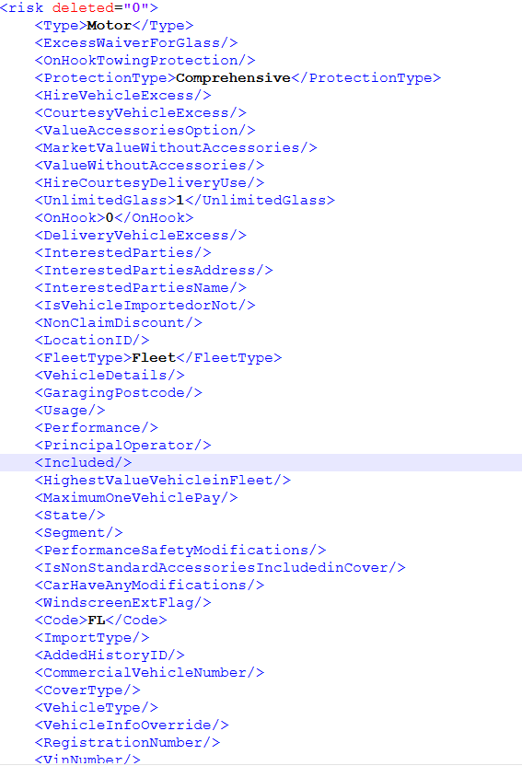
RISK_Building-->Session_Data_Policy_Line_Risk_FleetVehicle |  | Risk Node consisits of the above fields and protection type or the other vehcile information | AGGNE.DEV.RISK_FLEET_VEHICLE_TARGET_POLICY_ATTACH | BP_Fleet_Vehicle_main | AGGNE.DEV.FLEET_VEHICLE_MAIN_VIEW_POLICYATTACH | AGGNE.PRD.VehicleCoverages_FleetVehicle_Policyattach |  | Risk Node consisits of the above fields and protection type or the other vehcile information |  | <risk deleted="0"> <Type>Motor</Type> <ExcessWaiverForGlass/> <OnHookTowingProtection/> <ProtectionType>Comprehensive</ProtectionType> <HireVehicleExcess/> <CourtesyVehicleExcess/> <ValueAccessoriesOption/> <MarketValueWithoutAccessories/> <ValueWithoutAccessories/> <HireCourtesyDeliveryUse/> <UnlimitedGlass>1</UnlimitedGlass> <OnHook>0</OnHook> <DeliveryVehicleExcess/> <InterestedParties/> <InterestedPartiesAddress/> <InterestedPartiesName/> <IsVehicleImportedorNot/> <NonClaimDiscount/> <LocationID/> <FleetType>Fleet</FleetType> <VehicleDetails/> <GaragingPostcode/> <Usage/> <Performance/> <PrincipalOperator/> <Included/> <HighestValueVehicleinFleet/> <MaximumOneVehiclePay/> <State/> <Segment/> <PerformanceSafetyModifications/> <IsNonStandardAccessoriesIncludedinCover/> <CarHaveAnyModifications/> <WindscreenExtFlag/> <Code>FL</Code> <ImportType/> <AddedHistoryID/> <CommercialVehicleNumber/> <CoverType/> <VehicleType/> <VehicleInfoOverride/> <RegistrationNumber/> <VinNumber/> <Year/> <RegoStatus/> <Make/> <Model/> <Description/> <NightParkingLocation/> <NightParkingPostcode/> <DayParkingLocation/> <DayParkingPostcode/> <SecurityType/> <FinanceType/> <DateOfPurchase/> <AnnualMileage/> <CoverValue/> <Excess/> <NonStandardAccessories/> <NonStandardAccessoriesSumInsured/> <ModificationType/> <ModificationSumInsured/> <TotalSumInsured/> <LocationDescription/> <VehicleFullDescription/> <BodyType/> <EngineSize/> <NumberOfCylinders/> <DriveDescription/> <InductionType/> <GrossVehicleMass/> <WouldYouLikeToAddAccessoriesOrModifications/> <AgreedValueAmount/> <AgreedValueDescription/> <AgreedValueDescriptionValue/> <MarketValueDescription/> <WouldYouLikeToAddAccessoriesOrModificationsMarket/> <MarketValueDescriptionValue/> <MarketValueWithAccessories/> <HighestRiskUse>Hire</HighestRiskUse> <AgeOfYoungestRegularDriver> | <Risk id="VBA6E94840A9840DFA00FA1CF1F6FF33D"> <RiskID>r842306D13FC94DDB9247A95C6D9B08E1</RiskID> <Type>FleetVehicle</Type> <RegistrationNumber>1HVG262</RegistrationNumber> <CoverType></CoverType> <VIN></VIN> <State>WA</State> <BodyType>Sedan</BodyType> <Make>Toyota</Make> <Model>Corolla</Model> <Year>2020</Year> <Description></Description> <TotalValue></TotalValue> <Usage></Usage> <VehicleType></VehicleType> <Mileage></Mileage> <VehicleFullDescription></VehicleFullDescription> <WindscreenExtensionBenefitUsed></WindscreenExtensionBenefitUsed> <AdditonalParty></AdditonalParty> <Excess type="FleetVehicle"> <Total>2500</Total> <OnHookTowing>2500</OnHookTowing> <Age> <AgeOfYoungestRegularDriver>0</AgeOfYoungestRegularDriver> <RestrictionOfDriverAge>21</RestrictionOfDriverAge> <AgeLessThan20>850</AgeLessThan20> <AgeBetween20To21>650</AgeBetween20To21> <AgeBetween22To25>400</AgeBetween22To25> </Age> </Excess> <Coverage id="cDC345D037F13492D90F1BD4918B37048"> <Type>FLLIA</Type> <Deductible type="Total" value="" /> <Limit type="Per Occurrence" value="20000000" /> <Premium>29082.333333330000</Premium> </Coverage> <Coverage id="c167194E8E9194C13A6C9D40C62FDB215"> <Type>FLTCH</Type> <Deductible type="Total" value="" /> <Limit type="Per Occurrence" value="0" /> <Premium>6675.000000000000</Premium> </Coverage> <Coverage id="c121FE735B7B04DF78AE267841BBBB6D3"> <Type>FLCMP</Type> <Deductible type="Total" value="" /> <Limit type="Per Occurrence" value="0" /> <Premium>58164.666666670000</Premium> </Coverage> <Coverage id="c7150E78E810E4171A09CB27A9BB78AC7"> <Type>FLULG</Type> <Deductib

